Flight Sim
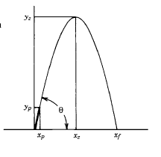
Cf vs Pressure Ratio
Isp vs Pc
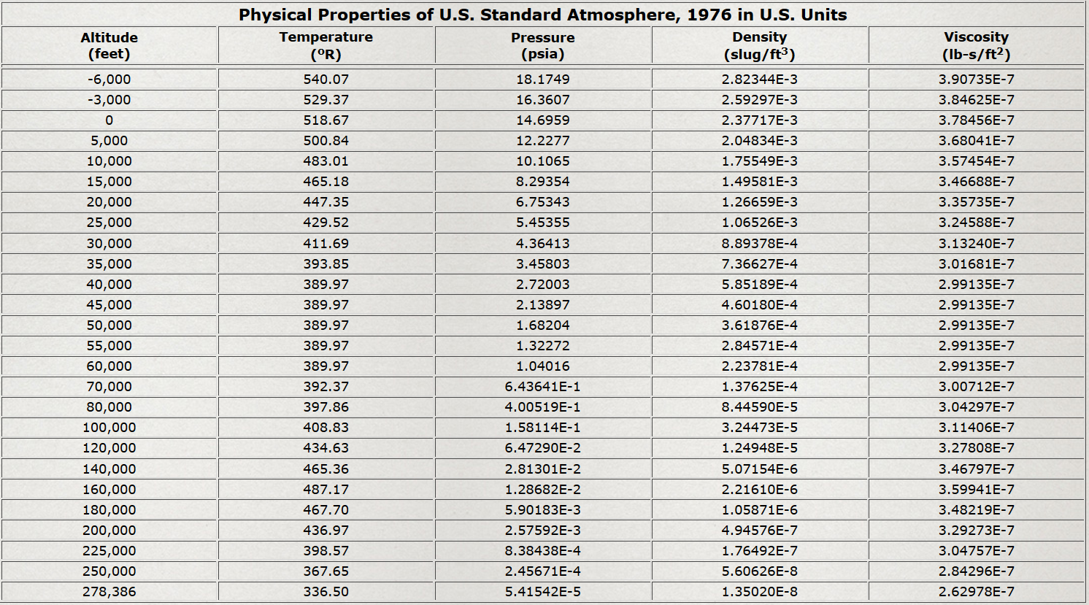
 |  |  |  |  |  |  |  |  |  |  |  |  |  |  |  |  |  |  |  | Gama | 1.175 | Pc | 400 | At | 5.728 | Pa | 12 | C* | 5855 | Expansion Ratio | 4.4 | Lamda | 0.9834
Color Key |  | Initial Vehicle Assumptions | English | SI |  |  | Flight Parameters |  | Deg | Rad |  |  |  |  |  |  |  |  |  | Altitude Pressures | Exit Pressures | Pc/Pe | Cf Actual | Cf Ideal | Pc | Isp
 | Input Required | Nominal Thrust | 3250 lbf | 14456.7 N |  |  | Elevation Angle |  | 88 | 1.5358897418 |  |  |  |  |  |  |  |  |  | 12.5 | 12.5 | 32 | 1.499 | 1.498 | 300 | 260
 | Constants | Payload Mass, Ml | 0.0 lbm | 0.000 kg |  |  | Pitch Angle of Attack |  | 88 | 1.5358897418 |  |  |  |  |  |  |  |  |  | 12.0 | 12.0 | 33 | 1.504 | 1.504 | 350 | 265
 | Placeholders | Structural Mass, Ms | 350.0 lbm | 158.76 kg |  |  | Yaw Angle of Attack |  | 88 | 1.5358897418 |  |  |  |  |  |  |  |  |  | 11.5 | 11.5 | 35 | 1.510 | 1.511 | 400 | 269
White | Last Edit Point/Cell | Empty Mass, Me | 350.0 lbm | 158.76 kg |  |  |  |  | English | SI |  |  |  |  |  |  |  |  |  | 11.0 | 11.0 | 36 | 1.515 | 1.518 | 450 | 273
No Fill | Calculated Value | Propellant Mass, Mp | 350.0 lbm | 158.76 kg |  |  | Initial Downrange |  | 0 ft | 0 m |  |  |  |  |  |  |  |  |  | 10.5 | 10.5 | 38 | 1.521 | 1.526 | 500 | 276
Green | Within Bounds | Full Mass, Mf | 700.0 lbm | 317.51 kg |  |  | Initial Velocity |  | 0 ft/s | 0 m/s |  |  |  |  |  |  |  |  |  | 10.0 | 10.0 | 40 | 1.526 | 1.533 | 550 | 278
Red | Out of Bounds | Burn Time | 24.769 s |  |  |  | Initial Altitude |  | 4596 ft | 1400.86 m |  |  |  |  |  |  |  |  |  | 9.5 | 9.5 | 42 | 1.532 | 1.541 | 600 | 280
 |  | Total Impulse | 80500 lbf-s | 358082 N-s |  |  | Max Q |  | 2162 psi | 15 MPa |  |  |  |  |  |  |  |  |  | 9.0 | 9.0 | 44 | 1.537 | 1.550 | 650 | 283
 |  | Drag Coefficient | 0.4 |  |  |  | Predicted ΔV |  | 5129 ft/s | 1563 m/s |  |  |  |  |  |  |  |  |  | 8.5 | 8.5 | 47 | 1.543 | 1.558 | 700 | 284
 |  | Outer Skin Diameter | 10.00 in | 0.25 m | Fin Thickness | 0.6 | Aerodynamic Losses, Vaero |  | 4736 ft/s | 1444 m/s |  |  |  |  |  |  |  |  |  | 8.0 | 8.0 | 50 | 1.548 | 1.567 | 750 | 286
 |  | Radius | 0.42 ft | 0.13 m | Fin Span | 12.05 | Gravity Losses, Vgl |  | 797 ft/s | 243 m/s |  |  |  |  |  |  |  |  |  | 7.5 | 7.5 | 53 | 1.554 | 1.577 | 800 | 288
 |  | Area | 0.746 ft2 | 0.07 m2 | Fin Area | 0.20083333333 | Actual Velocity, Vact |  | -404 ft/s | -123 m/s |  |  |  |  |  |  |  |  |  | 7.0 | 7.0 | 57 | 1.560 | 1.587 | 850 | 289
 |  |  |  |  |  |  | Max T/W |  | 9.89 |  |  |  |  |  |  |  |  |  |  | 6.5 | 6.5 | 62 | 1.565 | 1.597 | 900 | 291
 |  | Mass Ratios | Fraction | Percentage |  |  | Max G-Load |  | 8.03 |  |  |  |  |  |  |  |  |  |  | 6.0 | 6.0 | 67 | 1.571 | 1.608 | 950 | 292
 |  | Propellant Ratio | 0.50 | 50% |  |  | Max Altitude |  | 242391 ft | 73881 m |  |  |  |  |  |  |  |  |  | 5.5 | 5.5 | 73 | 1.576 | 1.620 | 1000 | 293
 |  | Structural Coefficient | 0.50 | 50% |  |  |  |  |  |  |  |  |  |  |  |  |  |  |  | 5.0 | 5.0 | 80 | 1.582 | 1.633 | 1050 | 294
 |  | Payload Ratio | 0.00 | 0% |  |  | STP Conditions |  | English | SI |  |  |  |  |  |  |  |  |  | 4.5 | 4.5 | 89 | 1.587 | 1.647 | 1100 | 295
 |  | Rocket Equation Mass Ratio | 2.00 |  |  |  | Temperature |  | 518.69 R | 288.16 K |  |  |  |  |  |  |  |  |  | 4.0 | 4.0 | 100 | 1.593 | 1.662 | 1150 | 296
 |  |  |  |  |  |  | Pressure |  | 14.696 psi | 101325 Pa |  |  |  |  |  |  |  |  |  | 3.5 | 3.5 | 114 | 1.598 | 1.678 | 1200 | 297
 |  | Thrust Parameters | English | SI |  |  | Density |  | 0.00238 lbf-s2/ft3 | 1.225 kg/m3 |  |  |  |  |  |  |  |  |  | 3.0 | 3.0 | 133 | 1.604 | 1.697 | 1250 | 298
 |  | Weight Flow Rate | 14.130 lbm/s | 6.4 kg/s |  |  | GravitySL |  | 32.174 ft/s2 | 9.81 m/s2 |  |  |  |  |  |  |  |  |  | 2.5 | 2.5 | 160 | 1.609 | 1.718 | 1300 | 299
 |  | Exhaust Velocity | 7400 ft/s | 2255.39 m/s |  |  | RU |  | 1545 lbf-ft/lbmol-R | 8314.472 J/kmol-K |  |  |  |  |  |  |  |  |  | 2.0 | 2.0 | 200 | 1.615 | 1.742 | 1350 | 300
 |  | Exit Pressure | 12.00 psi | 82737.1 Pa |  |  | Rair |  | 1716 lbf-ft/lbmol-R | 286.900 J/kmol-K |  |  |  |  |  |  |  |  |  | 1.5 | 1.5 | 267 | 1.620 | 1.772 | 1400 | 301
 |  | Exit Area | 25.32 in2 | 2.35222 m2 |  |  | Temp Gradient |  | -3.6 R/1000-ft | -6.5 K/km |  |  |  |  |  |  |  |  |  | 1.0 | 1.0 | 400 | 1.626 | 1.812 | 1450 | 301
 |  |  |  |  |  |  | GamaAir |  | 1.4 |  |  |  |  |  |  |  |  |  |  | 0.5 | 0.5 | 800 | 1.631 | 1.873 | 1500 | 302
 |  |  | Time Step | 0.1
 |  |  | Time + | Weight | Propellant Weight | Wet Mass Depletion | Altitude | Gravity | Density Ratio | Density | Thrust | Isp | Pressure Ratio | Amb Pressure | ax | vx | x | ay | vy | y | a-magnitude | v-magnitude | G-Loads | T/W | Drag Force | Drag Loss Velocity | Dynamic Pressure | Mach # | Air Temp | Speed of Sound | Cd
 |  |  | 0.0 s | 700.0 lbm | 350.0 lbm | 100% | 4596 ft | 32.16 ft/s2 | 0.84 | 0.00200 lbf-s2/ft3 | 3250.3 lbf | 230.0 s | 0.82 | 11.98 psi | 5 ft/s2 | 1 ft/s | 0 ft | 117 ft/s2 | 12 ft/s | 4596 ft | 117 ft/s2 | 12 ft/s | 3.65 | 4.64 | 0 lbf | 0 ft/s | 0 psi | 0.01 | 502.14 R | 1098 ft/s | 0.533
Altitude vs Time
 | Altitude
0.0 s | 4596 ft
0.1 s | 4597 ft
0.2 s | 4600 ft
0.3 s | 4603 ft
0.4 s | 4608 ft
0.5 s | 4614 ft
0.6 s | 4621 ft
0.7 s | 4629 ft
0.8 s | 4638 ft
0.9 s | 4649 ft
1.0 s | 4661 ft
1.1 s | 4674 ft
1.2 s | 4688 ft
1.3 s | 4703 ft
1.4 s | 4720 ft
1.5 s | 4738 ft
1.6 s | 4757 ft
1.7 s | 4777 ft
1.8 s | 4799 ft
1.9 s | 4821 ft
2.0 s | 4845 ft
2.1 s | 4870 ft
2.2 s | 4897 ft
2.3 s | 4924 ft
2.4 s | 4953 ft
2.5 s | 4983 ft
2.6 s | 5015 ft
2.7 s | 5047 ft
2.8 s | 5081 ft
2.9 s | 5116 ft
3.0 s | 5152 ft
3.1 s | 5190 ft
3.2 s | 5228 ft
3.3 s | 5269 ft
3.4 s | 5310 ft
3.5 s | 5352 ft
3.6 s | 5396 ft
3.7 s | 5441 ft
3.8 s | 5488 ft
3.9 s | 5535 ft
4.0 s | 5584 ft
4.1 s | 5634 ft
4.2 s | 5686 ft
4.3 s | 5738 ft
4.4 s | 5792 ft
4.5 s | 5848 ft
4.6 s | 5904 ft
4.7 s | 5962 ft
4.8 s | 6021 ft
4.9 s | 6082 ft
...
 |  |  | 0.1 s | 698.6 lbm | 348.6 lbm | 100% | 4597 ft | 32.16 ft/s2 | 0.84 | 0.00200 lbf-s2/ft3 | 3250.3 lbf | 230.0 s | 0.82 | 11.98 psi | 5 ft/s2 | 1 ft/s | 0 ft | 117 ft/s2 | 23 ft/s | 4597 ft | 118 ft/s2 | 23 ft/s | 3.66 | 4.65 | 0 lbf | 0 ft/s | 0 psi | 0.02 | 502.14 R | 1098 ft/s | 0.533
 |  |  | 0.2 s | 697.2 lbm | 347.2 lbm | 99% | 4600 ft | 32.16 ft/s2 | 0.84 | 0.00200 lbf-s2/ft3 | 3250.3 lbf | 230.0 s | 0.82 | 11.98 psi | 5 ft/s2 | 2 ft/s | 0 ft | 118 ft/s2 | 35 ft/s | 4600 ft | 118 ft/s2 | 35 ft/s | 3.66 | 4.66 | 0 lbf | 0 ft/s | 1 psi | 0.03 | 502.13 R | 1098 ft/s | 0.533 |  |  | Online atmospheric air properties vs altitude:
 |  |  | 0.3 s | 695.8 lbm | 345.8 lbm | 99% | 4603 ft | 32.16 ft/s2 | 0.84 | 0.00200 lbf-s2/ft3 | 3250.4 lbf | 230.0 s | 0.82 | 11.98 psi | 5 ft/s2 | 2 ft/s | 1 ft | 118 ft/s2 | 47 ft/s | 4603 ft | 118 ft/s2 | 47 ft/s | 3.67 | 4.67 | 0 lbf | 0 ft/s | 1 psi | 0.04 | 502.12 R | 1098 ft/s | 0.533 |  |  | http://www.engineeringtoolbox.com/standard-atmosphere-d_604.html
 |  |  | 0.4 s | 694.3 lbm | 344.3 lbm | 98% | 4608 ft | 32.16 ft/s2 | 0.84 | 0.00200 lbf-s2/ft3 | 3250.4 lbf | 230.0 s | 0.81 | 11.97 psi | 5 ft/s2 | 3 ft/s | 1 ft | 118 ft/s2 | 59 ft/s | 4608 ft | 118 ft/s2 | 59 ft/s | 3.68 | 4.68 | 1 lbf | 0 ft/s | 2 psi | 0.05 | 502.10 R | 1098 ft/s | 0.533 |  |  | Pressure at altitude calculator:
 |  |  | 0.5 s | 692.9 lbm | 342.9 lbm | 98% | 4614 ft | 32.16 ft/s2 | 0.84 | 0.00200 lbf-s2/ft3 | 3250.5 lbf | 230.0 s | 0.81 | 11.97 psi | 5 ft/s2 | 3 ft/s | 1 ft | 119 ft/s2 | 71 ft/s | 4614 ft | 119 ft/s2 | 71 ft/s | 3.69 | 4.69 | 1 lbf | 0 ft/s | 3 psi | 0.06 | 502.08 R | 1098 ft/s | 0.533
 |  |  | 0.6 s | 691.5 lbm | 341.5 lbm | 98% | 4621 ft | 32.16 ft/s2 | 0.84 | 0.00200 lbf-s2/ft3 | 3250.6 lbf | 230.0 s | 0.81 | 11.97 psi | 5 ft/s2 | 4 ft/s | 1 ft | 119 ft/s2 | 82 ft/s | 4621 ft | 119 ft/s2 | 83 ft/s | 3.70 | 4.70 | 2 lbf | 0 ft/s | 5 psi | 0.08 | 502.06 R | 1098 ft/s | 0.533 |  |  | http://www.calctool.org/CALC/phys/default/pres_at_alt
 |  |  | 0.7 s | 690.1 lbm | 340.1 lbm | 97% | 4629 ft | 32.16 ft/s2 | 0.84 | 0.00200 lbf-s2/ft3 | 3250.7 lbf | 230.1 s | 0.81 | 11.96 psi | 5 ft/s2 | 4 ft/s | 2 ft | 119 ft/s2 | 94 ft/s | 4629 ft | 119 ft/s2 | 94 ft/s | 3.71 | 4.71 | 3 lbf | 0 ft/s | 7 psi | 0.09 | 502.03 R | 1098 ft/s | 0.533
 |  |  | 0.8 s | 688.7 lbm | 338.7 lbm | 97% | 4638 ft | 32.16 ft/s2 | 0.84 | 0.00200 lbf-s2/ft3 | 3250.9 lbf | 230.1 s | 0.81 | 11.96 psi | 5 ft/s2 | 5 ft/s | 2 ft | 119 ft/s2 | 106 ft/s | 4638 ft | 120 ft/s2 | 106 ft/s | 3.72 | 4.72 | 4 lbf | 0 ft/s | 9 psi | 0.10 | 501.99 R | 1098 ft/s | 0.533
 |  |  | 0.9 s | 687.3 lbm | 337.3 lbm | 96% | 4649 ft | 32.16 ft/s2 | 0.84 | 0.00200 lbf-s2/ft3 | 3251.0 lbf | 230.1 s | 0.81 | 11.95 psi | 5 ft/s2 | 5 ft/s | 3 ft | 120 ft/s2 | 118 ft/s | 4649 ft | 120 ft/s2 | 118 ft/s | 3.73 | 4.73 | 4 lbf | 0 ft/s | 11 psi | 0.11 | 501.95 R | 1098 ft/s | 0.533
 |  |  | 1.0 s | 685.9 lbm | 335.9 lbm | 96% | 4661 ft | 32.16 ft/s2 | 0.84 | 0.00200 lbf-s2/ft3 | 3251.2 lbf | 230.1 s | 0.81 | 11.95 psi | 5 ft/s2 | 6 ft/s | 3 ft | 120 ft/s2 | 130 ft/s | 4661 ft | 120 ft/s2 | 130 ft/s | 3.73 | 4.74 | 6 lbf | 0 ft/s | 14 psi | 0.12 | 501.91 R | 1098 ft/s | 0.533
 |  |  | 1.1 s | 684.5 lbm | 334.5 lbm | 96% | 4674 ft | 32.16 ft/s2 | 0.84 | 0.00200 lbf-s2/ft3 | 3251.4 lbf | 230.1 s | 0.81 | 11.94 psi | 5 ft/s2 | 6 ft/s | 4 ft | 120 ft/s2 | 142 ft/s | 4674 ft | 120 ft/s2 | 142 ft/s | 3.74 | 4.75 | 7 lbf | 0 ft/s | 17 psi | 0.13 | 501.86 R | 1098 ft/s | 0.533
 |  |  | 1.2 s | 683.0 lbm | 333.0 lbm | 95% | 4688 ft | 32.16 ft/s2 | 0.84 | 0.00200 lbf-s2/ft3 | 3251.5 lbf | 230.1 s | 0.81 | 11.93 psi | 5 ft/s2 | 7 ft/s | 5 ft | 121 ft/s2 | 154 ft/s | 4688 ft | 121 ft/s2 | 154 ft/s | 3.75 | 4.76 | 8 lbf | 0 ft/s | 20 psi | 0.14 | 501.81 R | 1098 ft/s | 0.533
 |  |  | 1.3 s | 681.6 lbm | 331.6 lbm | 95% | 4703 ft | 32.16 ft/s2 | 0.84 | 0.00199 lbf-s2/ft3 | 3251.8 lbf | 230.1 s | 0.81 | 11.92 psi | 5 ft/s2 | 7 ft/s | 6 ft | 121 ft/s2 | 166 ft/s | 4703 ft | 121 ft/s2 | 166 ft/s | 3.76 | 4.77 | 9 lbf | 0 ft/s | 24 psi | 0.15 | 501.76 R | 1098 ft/s | 0.533
 |  |  | 1.4 s | 680.2 lbm | 330.2 lbm | 94% | 4720 ft | 32.16 ft/s2 | 0.84 | 0.00199 lbf-s2/ft3 | 3252.0 lbf | 230.1 s | 0.81 | 11.91 psi | 5 ft/s2 | 8 ft/s | 6 ft | 121 ft/s2 | 178 ft/s | 4720 ft | 121 ft/s2 | 179 ft/s | 3.77 | 4.78 | 11 lbf | 0 ft/s | 28 psi | 0.16 | 501.70 R | 1098 ft/s | 0.533
 |  |  | 1.5 s | 678.8 lbm | 328.8 lbm | 94% | 4738 ft | 32.16 ft/s2 | 0.84 | 0.00199 lbf-s2/ft3 | 3252.2 lbf | 230.2 s | 0.81 | 11.90 psi | 5 ft/s2 | 8 ft/s | 7 ft | 121 ft/s2 | 190 ft/s | 4738 ft | 121 ft/s2 | 191 ft/s | 3.78 | 4.79 | 13 lbf | 0 ft/s | 32 psi | 0.17 | 501.63 R | 1098 ft/s | 0.533
Altitude vs Range
 | y
0 ft | 4596 ft
0 ft | 4597 ft
0 ft | 4600 ft
1 ft | 4603 ft
1 ft | 4608 ft
1 ft | 4614 ft
1 ft | 4621 ft
2 ft | 4629 ft
2 ft | 4638 ft
3 ft | 4649 ft
3 ft | 4661 ft
4 ft | 4674 ft
5 ft | 4688 ft
6 ft | 4703 ft
6 ft | 4720 ft
7 ft | 4738 ft
8 ft | 4757 ft
9 ft | 4777 ft
10 ft | 4799 ft
11 ft | 4821 ft
12 ft | 4845 ft
13 ft | 4870 ft
15 ft | 4897 ft
16 ft | 4924 ft
17 ft | 4953 ft
19 ft | 4983 ft
20 ft | 5015 ft
21 ft | 5047 ft
23 ft | 5081 ft
25 ft | 5116 ft
26 ft | 5152 ft
28 ft | 5190 ft
30 ft | 5228 ft
32 ft | 5269 ft
33 ft | 5310 ft
35 ft | 5352 ft
37 ft | 5396 ft
39 ft | 5441 ft
42 ft | 5488 ft
44 ft | 5535 ft
46 ft | 5584 ft
48 ft | 5634 ft
51 ft | 5686 ft
53 ft | 5738 ft
55 ft | 5792 ft
58 ft | 5848 ft
60 ft | 5904 ft
63 ft | 5962 ft
66 ft | 6021 ft
68 ft | 6082 ft
...
 |  |  | 1.6 s | 677.4 lbm | 327.4 lbm | 94% | 4757 ft | 32.16 ft/s2 | 0.84 | 0.00199 lbf-s2/ft3 | 3252.5 lbf | 230.2 s | 0.81 | 11.89 psi | 5 ft/s2 | 9 ft/s | 8 ft | 122 ft/s2 | 203 ft/s | 4757 ft | 122 ft/s2 | 203 ft/s | 3.78 | 4.80 | 14 lbf | 0 ft/s | 36 psi | 0.18 | 501.57 R | 1098 ft/s | 0.533
 |  |  | 1.7 s | 676.0 lbm | 326.0 lbm | 93% | 4777 ft | 32.16 ft/s2 | 0.84 | 0.00199 lbf-s2/ft3 | 3252.8 lbf | 230.2 s | 0.81 | 11.88 psi | 5 ft/s2 | 10 ft/s | 9 ft | 122 ft/s2 | 215 ft/s | 4777 ft | 122 ft/s2 | 215 ft/s | 3.79 | 4.81 | 16 lbf | 0 ft/s | 41 psi | 0.20 | 501.49 R | 1098 ft/s | 0.533
 |  |  | 1.8 s | 674.6 lbm | 324.6 lbm | 93% | 4799 ft | 32.16 ft/s2 | 0.84 | 0.00199 lbf-s2/ft3 | 3253.1 lbf | 230.2 s | 0.81 | 11.87 psi | 5 ft/s2 | 10 ft/s | 10 ft | 122 ft/s2 | 227 ft/s | 4799 ft | 122 ft/s2 | 227 ft/s | 3.81 | 4.82 | 14 lbf | 0 ft/s | 46 psi | 0.21 | 501.41 R | 1098 ft/s | 0.400
 |  |  | 1.9 s | 673.2 lbm | 323.2 lbm | 92% | 4821 ft | 32.16 ft/s2 | 0.84 | 0.00198 lbf-s2/ft3 | 3253.4 lbf | 230.2 s | 0.81 | 11.86 psi | 5 ft/s2 | 11 ft/s | 11 ft | 123 ft/s2 | 239 ft/s | 4821 ft | 123 ft/s2 | 239 ft/s | 3.81 | 4.83 | 15 lbf | 0 ft/s | 51 psi | 0.22 | 501.33 R | 1097 ft/s | 0.400
 |  |  | 2.0 s | 671.7 lbm | 321.7 lbm | 92% | 4845 ft | 32.16 ft/s2 | 0.83 | 0.00198 lbf-s2/ft3 | 3253.7 lbf | 230.3 s | 0.81 | 11.85 psi | 5 ft/s2 | 11 ft/s | 12 ft | 123 ft/s2 | 251 ft/s | 4845 ft | 123 ft/s2 | 252 ft/s | 3.82 | 4.84 | 17 lbf | 0 ft/s | 57 psi | 0.23 | 501.25 R | 1097 ft/s | 0.400
 |  |  | 2.1 s | 670.3 lbm | 320.3 lbm | 92% | 4870 ft | 32.16 ft/s2 | 0.83 | 0.00198 lbf-s2/ft3 | 3254.1 lbf | 230.3 s | 0.81 | 11.83 psi | 5 ft/s2 | 12 ft/s | 13 ft | 123 ft/s2 | 264 ft/s | 4870 ft | 123 ft/s2 | 264 ft/s | 3.83 | 4.85 | 19 lbf | 0 ft/s | 63 psi | 0.24 | 501.16 R | 1097 ft/s | 0.400
 |  |  | 2.2 s | 668.9 lbm | 318.9 lbm | 91% | 4897 ft | 32.16 ft/s2 | 0.83 | 0.00198 lbf-s2/ft3 | 3254.4 lbf | 230.3 s | 0.80 | 11.82 psi | 5 ft/s2 | 12 ft/s | 15 ft | 123 ft/s2 | 276 ft/s | 4897 ft | 123 ft/s2 | 276 ft/s | 3.84 | 4.87 | 21 lbf | 0 ft/s | 69 psi | 0.25 | 501.06 R | 1097 ft/s | 0.400
 |  |  | 2.3 s | 667.5 lbm | 317.5 lbm | 91% | 4924 ft | 32.16 ft/s2 | 0.83 | 0.00198 lbf-s2/ft3 | 3254.8 lbf | 230.3 s | 0.80 | 11.80 psi | 5 ft/s2 | 13 ft/s | 16 ft | 124 ft/s2 | 288 ft/s | 4924 ft | 124 ft/s2 | 289 ft/s | 3.85 | 4.88 | 23 lbf | 0 ft/s | 75 psi | 0.26 | 500.96 R | 1097 ft/s | 0.400
 |  |  | 2.4 s | 666.1 lbm | 316.1 lbm | 90% | 4953 ft | 32.16 ft/s2 | 0.83 | 0.00197 lbf-s2/ft3 | 3255.2 lbf | 230.4 s | 0.80 | 11.79 psi | 5 ft/s2 | 13 ft/s | 17 ft | 124 ft/s2 | 301 ft/s | 4953 ft | 124 ft/s2 | 301 ft/s | 3.85 | 4.89 | 25 lbf | 0 ft/s | 82 psi | 0.27 | 500.86 R | 1097 ft/s | 0.400
 |  |  | 2.5 s | 664.7 lbm | 314.7 lbm | 90% | 4983 ft | 32.16 ft/s2 | 0.83 | 0.00197 lbf-s2/ft3 | 3255.6 lbf | 230.4 s | 0.80 | 11.77 psi | 5 ft/s2 | 14 ft/s | 19 ft | 124 ft/s2 | 313 ft/s | 4983 ft | 124 ft/s2 | 313 ft/s | 3.86 | 4.90 | 27 lbf | 0 ft/s | 89 psi | 0.29 | 500.75 R | 1097 ft/s | 0.400
 |  |  | 2.6 s | 663.3 lbm | 313.3 lbm | 90% | 5015 ft | 32.16 ft/s2 | 0.83 | 0.00197 lbf-s2/ft3 | 3256.0 lbf | 230.4 s | 0.80 | 11.75 psi | 5 ft/s2 | 14 ft/s | 20 ft | 124 ft/s2 | 325 ft/s | 5015 ft | 124 ft/s2 | 326 ft/s | 3.87 | 4.91 | 29 lbf | 0 ft/s | 97 psi | 0.30 | 500.64 R | 1097 ft/s | 0.400
 |  |  | 2.7 s | 661.8 lbm | 311.8 lbm | 89% | 5047 ft | 32.16 ft/s2 | 0.83 | 0.00197 lbf-s2/ft3 | 3256.5 lbf | 230.5 s | 0.80 | 11.74 psi | 5 ft/s2 | 15 ft/s | 21 ft | 125 ft/s2 | 338 ft/s | 5047 ft | 125 ft/s2 | 338 ft/s | 3.88 | 4.92 | 31 lbf | 0 ft/s | 104 psi | 0.31 | 500.52 R | 1097 ft/s | 0.400
 |  |  | 2.8 s | 660.4 lbm | 310.4 lbm | 89% | 5081 ft | 32.16 ft/s2 | 0.83 | 0.00197 lbf-s2/ft3 | 3256.9 lbf | 230.5 s | 0.80 | 11.72 psi | 5 ft/s2 | 15 ft/s | 23 ft | 125 ft/s2 | 350 ft/s | 5081 ft | 125 ft/s2 | 351 ft/s | 3.88 | 4.93 | 34 lbf | 0 ft/s | 112 psi | 0.32 | 500.40 R | 1096 ft/s | 0.400
 |  |  | 2.9 s | 659.0 lbm | 309.0 lbm | 88% | 5116 ft | 32.16 ft/s2 | 0.83 | 0.00196 lbf-s2/ft3 | 3257.4 lbf | 230.5 s | 0.80 | 11.70 psi | 5 ft/s2 | 16 ft/s | 25 ft | 125 ft/s2 | 363 ft/s | 5116 ft | 125 ft/s2 | 363 ft/s | 3.89 | 4.94 | 36 lbf | 0 ft/s | 121 psi | 0.33 | 500.27 R | 1096 ft/s | 0.400
 |  |  | 3.0 s | 657.6 lbm | 307.6 lbm | 88% | 5152 ft | 32.16 ft/s2 | 0.82 | 0.00196 lbf-s2/ft3 | 3257.9 lbf | 230.6 s | 0.79 | 11.68 psi | 5 ft/s2 | 17 ft/s | 26 ft | 125 ft/s2 | 375 ft/s | 5152 ft | 125 ft/s2 | 376 ft/s | 3.90 | 4.95 | 39 lbf | 0 ft/s | 129 psi | 0.34 | 500.14 R | 1096 ft/s | 0.400
 |  |  | 3.1 s | 656.2 lbm | 306.2 lbm | 87% | 5190 ft | 32.16 ft/s2 | 0.82 | 0.00196 lbf-s2/ft3 | 3258.4 lbf | 230.6 s | 0.79 | 11.66 psi | 6 ft/s2 | 17 ft/s | 28 ft | 125 ft/s2 | 388 ft/s | 5190 ft | 126 ft/s2 | 388 ft/s | 3.91 | 4.97 | 41 lbf | 0 ft/s | 138 psi | 0.35 | 500.01 R | 1096 ft/s | 0.400
 |  |  | 3.2 s | 654.8 lbm | 304.8 lbm | 87% | 5228 ft | 32.16 ft/s2 | 0.82 | 0.00195 lbf-s2/ft3 | 3259.0 lbf | 230.6 s | 0.79 | 11.64 psi | 6 ft/s2 | 18 ft/s | 30 ft | 126 ft/s2 | 400 ft/s | 5228 ft | 126 ft/s2 | 401 ft/s | 3.91 | 4.98 | 44 lbf | 0 ft/s | 147 psi | 0.37 | 499.87 R | 1096 ft/s | 0.400
 |  |  | 3.3 s | 653.4 lbm | 303.4 lbm | 87% | 5269 ft | 32.16 ft/s2 | 0.82 | 0.00195 lbf-s2/ft3 | 3259.5 lbf | 230.7 s | 0.79 | 11.62 psi | 6 ft/s2 | 18 ft/s | 32 ft | 126 ft/s2 | 413 ft/s | 5269 ft | 126 ft/s2 | 413 ft/s | 3.92 | 4.99 | 47 lbf | 0 ft/s | 157 psi | 0.38 | 499.72 R | 1096 ft/s | 0.400
 |  |  | 3.4 s | 652.0 lbm | 302.0 lbm | 86% | 5310 ft | 32.16 ft/s2 | 0.82 | 0.00195 lbf-s2/ft3 | 3260.1 lbf | 230.7 s | 0.79 | 11.59 psi | 6 ft/s2 | 19 ft/s | 33 ft | 126 ft/s2 | 426 ft/s | 5310 ft | 126 ft/s2 | 426 ft/s | 3.93 | 5.00 | 50 lbf | 0 ft/s | 166 psi | 0.39 | 499.57 R | 1096 ft/s | 0.400
 |  |  | 3.5 s | 650.5 lbm | 300.5 lbm | 86% | 5352 ft | 32.16 ft/s2 | 0.82 | 0.00194 lbf-s2/ft3 | 3260.6 lbf | 230.8 s | 0.79 | 11.57 psi | 6 ft/s2 | 19 ft/s | 35 ft | 126 ft/s2 | 438 ft/s | 5352 ft | 127 ft/s2 | 439 ft/s | 3.93 | 5.01 | 53 lbf | 0 ft/s | 176 psi | 0.40 | 499.42 R | 1095 ft/s | 0.400
 |  |  | 3.6 s | 649.1 lbm | 299.1 lbm | 85% | 5396 ft | 32.16 ft/s2 | 0.82 | 0.00194 lbf-s2/ft3 | 3261.2 lbf | 230.8 s | 0.79 | 11.55 psi | 6 ft/s2 | 20 ft/s | 37 ft | 127 ft/s2 | 451 ft/s | 5396 ft | 127 ft/s2 | 451 ft/s | 3.94 | 5.02 | 56 lbf | 0 ft/s | 187 psi | 0.41 | 499.26 R | 1095 ft/s | 0.400
 |  |  | 3.7 s | 647.7 lbm | 297.7 lbm | 85% | 5441 ft | 32.16 ft/s2 | 0.82 | 0.00194 lbf-s2/ft3 | 3261.8 lbf | 230.8 s | 0.78 | 11.52 psi | 6 ft/s2 | 20 ft/s | 39 ft | 127 ft/s2 | 463 ft/s | 5441 ft | 127 ft/s2 | 464 ft/s | 3.95 | 5.04 | 59 lbf | 0 ft/s | 197 psi | 0.42 | 499.10 R | 1095 ft/s | 0.400
 |  |  | 3.8 s | 646.3 lbm | 296.3 lbm | 85% | 5488 ft | 32.16 ft/s2 | 0.81 | 0.00193 lbf-s2/ft3 | 3262.5 lbf | 230.9 s | 0.78 | 11.50 psi | 6 ft/s2 | 21 ft/s | 42 ft | 127 ft/s2 | 476 ft/s | 5488 ft | 127 ft/s2 | 477 ft/s | 3.96 | 5.05 | 62 lbf | 0 ft/s | 208 psi | 0.44 | 498.93 R | 1095 ft/s | 0.400
 |  |  | 3.9 s | 644.9 lbm | 294.9 lbm | 84% | 5535 ft | 32.16 ft/s2 | 0.81 | 0.00193 lbf-s2/ft3 | 3263.1 lbf | 230.9 s | 0.78 | 11.47 psi | 6 ft/s2 | 22 ft/s | 44 ft | 127 ft/s2 | 489 ft/s | 5535 ft | 127 ft/s2 | 489 ft/s | 3.96 | 5.06 | 65 lbf | 0 ft/s | 219 psi | 0.45 | 498.76 R | 1095 ft/s | 0.400
 |  |  | 4.0 s | 643.5 lbm | 293.5 lbm | 84% | 5584 ft | 32.16 ft/s2 | 0.81 | 0.00193 lbf-s2/ft3 | 3263.8 lbf | 231.0 s | 0.78 | 11.45 psi | 6 ft/s2 | 22 ft/s | 46 ft | 127 ft/s2 | 502 ft/s | 5584 ft | 128 ft/s2 | 502 ft/s | 3.97 | 5.07 | 69 lbf | 0 ft/s | 231 psi | 0.46 | 498.59 R | 1094 ft/s | 0.400
 |  |  | 4.1 s | 642.1 lbm | 292.1 lbm | 83% | 5634 ft | 32.16 ft/s2 | 0.81 | 0.00192 lbf-s2/ft3 | 3264.4 lbf | 231.0 s | 0.78 | 11.42 psi | 6 ft/s2 | 23 ft/s | 48 ft | 128 ft/s2 | 514 ft/s | 5634 ft | 128 ft/s2 | 515 ft/s | 3.98 | 5.08 | 72 lbf | 0 ft/s | 242 psi | 0.47 | 498.41 R | 1094 ft/s | 0.400
 |  |  | 4.2 s | 640.7 lbm | 290.7 lbm | 83% | 5686 ft | 32.16 ft/s2 | 0.81 | 0.00192 lbf-s2/ft3 | 3265.1 lbf | 231.1 s | 0.78 | 11.39 psi | 6 ft/s2 | 23 ft/s | 51 ft | 128 ft/s2 | 527 ft/s | 5686 ft | 128 ft/s2 | 528 ft/s | 3.98 | 5.10 | 76 lbf | 0 ft/s | 254 psi | 0.48 | 498.22 R | 1094 ft/s | 0.400
 |  |  | 4.3 s | 639.2 lbm | 289.2 lbm | 83% | 5738 ft | 32.16 ft/s2 | 0.81 | 0.00192 lbf-s2/ft3 | 3265.8 lbf | 231.1 s | 0.77 | 11.37 psi | 6 ft/s2 | 24 ft/s | 53 ft | 128 ft/s2 | 540 ft/s | 5738 ft | 128 ft/s2 | 540 ft/s | 3.99 | 5.11 | 80 lbf | 1 ft/s | 267 psi | 0.49 | 498.03 R | 1094 ft/s | 0.400
 |  |  | 4.4 s | 637.8 lbm | 287.8 lbm | 82% | 5792 ft | 32.16 ft/s2 | 0.80 | 0.00191 lbf-s2/ft3 | 3266.5 lbf | 231.2 s | 0.77 | 11.34 psi | 6 ft/s2 | 24 ft/s | 55 ft | 128 ft/s2 | 553 ft/s | 5792 ft | 128 ft/s2 | 553 ft/s | 3.99 | 5.12 | 83 lbf | 1 ft/s | 279 psi | 0.51 | 497.84 R | 1094 ft/s | 0.400
 |  |  | 4.5 s | 636.4 lbm | 286.4 lbm | 82% | 5848 ft | 32.16 ft/s2 | 0.80 | 0.00191 lbf-s2/ft3 | 3267.3 lbf | 231.2 s | 0.77 | 11.31 psi | 6 ft/s2 | 25 ft/s | 58 ft | 129 ft/s2 | 566 ft/s | 5848 ft | 129 ft/s2 | 566 ft/s | 4.00 | 5.13 | 87 lbf | 1 ft/s | 292 psi | 0.52 | 497.64 R | 1093 ft/s | 0.400
 |  |  | 4.6 s | 635.0 lbm | 285.0 lbm | 81% | 5904 ft | 32.16 ft/s2 | 0.80 | 0.00190 lbf-s2/ft3 | 3268.0 lbf | 231.3 s | 0.77 | 11.28 psi | 6 ft/s2 | 25 ft/s | 60 ft | 129 ft/s2 | 578 ft/s | 5904 ft | 129 ft/s2 | 579 ft/s | 4.01 | 5.15 | 91 lbf | 1 ft/s | 305 psi | 0.53 | 497.43 R | 1093 ft/s | 0.400
 |  |  | 4.7 s | 633.6 lbm | 283.6 lbm | 81% | 5962 ft | 32.16 ft/s2 | 0.80 | 0.00190 lbf-s2/ft3 | 3268.8 lbf | 231.3 s | 0.77 | 11.25 psi | 6 ft/s2 | 26 ft/s | 63 ft | 129 ft/s2 | 591 ft/s | 5962 ft | 129 ft/s2 | 592 ft/s | 4.01 | 5.16 | 95 lbf | 1 ft/s | 318 psi | 0.54 | 497.23 R | 1093 ft/s | 0.400
 |  |  | 4.8 s | 632.2 lbm | 282.2 lbm | 81% | 6021 ft | 32.16 ft/s2 | 0.80 | 0.00189 lbf-s2/ft3 | 3269.6 lbf | 231.4 s | 0.76 | 11.22 psi | 6 ft/s2 | 27 ft/s | 66 ft | 129 ft/s2 | 604 ft/s | 6021 ft | 129 ft/s2 | 605 ft/s | 4.02 | 5.17 | 99 lbf | 1 ft/s | 332 psi | 0.55 | 497.01 R | 1093 ft/s | 0.400
 |  |  | 4.9 s | 630.8 lbm | 280.8 lbm | 80% | 6082 ft | 32.16 ft/s2 | 0.80 | 0.00189 lbf-s2/ft3 | 3270.4 lbf | 231.4 s | 0.76 | 11.19 psi | 6 ft/s2 | 27 ft/s | 68 ft | 129 ft/s2 | 617 ft/s | 6082 ft | 129 ft/s2 | 618 ft/s | 4.02 | 5.18 | 103 lbf | 1 ft/s | 346 psi | 0.57 | 496.80 R | 1092 ft/s | 0.400
 |  |  | 5.0 s | 629.3 lbm | 279.3 lbm | 80% | 6143 ft | 32.16 ft/s2 | 0.79 | 0.00189 lbf-s2/ft3 | 3271.2 lbf | 231.5 s | 0.76 | 11.16 psi | 6 ft/s2 | 28 ft/s | 71 ft | 129 ft/s2 | 630 ft/s | 6143 ft | 130 ft/s2 | 631 ft/s | 4.03 | 5.20 | 107 lbf | 1 ft/s | 360 psi | 0.58 | 496.57 R | 1092 ft/s | 0.400
 |  |  | 5.1 s | 627.9 lbm | 277.9 lbm | 79% | 6206 ft | 32.15 ft/s2 | 0.79 | 0.00188 lbf-s2/ft3 | 3272.0 lbf | 231.6 s | 0.76 | 11.12 psi | 6 ft/s2 | 28 ft/s | 74 ft | 130 ft/s2 | 643 ft/s | 6206 ft | 130 ft/s2 | 644 ft/s | 4.04 | 5.21 | 112 lbf | 1 ft/s | 374 psi | 0.59 | 496.35 R | 1092 ft/s | 0.400
 |  |  | 5.2 s | 626.5 lbm | 276.5 lbm | 79% | 6271 ft | 32.15 ft/s2 | 0.79 | 0.00188 lbf-s2/ft3 | 3272.9 lbf | 231.6 s | 0.75 | 11.09 psi | 6 ft/s2 | 29 ft/s | 77 ft | 130 ft/s2 | 656 ft/s | 6271 ft | 130 ft/s2 | 657 ft/s | 4.04 | 5.22 | 116 lbf | 1 ft/s | 388 psi | 0.60 | 496.12 R | 1092 ft/s | 0.400
 |  |  | 5.3 s | 625.1 lbm | 275.1 lbm | 79% | 6336 ft | 32.15 ft/s2 | 0.79 | 0.00187 lbf-s2/ft3 | 3273.7 lbf | 231.7 s | 0.75 | 11.06 psi | 6 ft/s2 | 29 ft/s | 80 ft | 130 ft/s2 | 669 ft/s | 6336 ft | 130 ft/s2 | 670 ft/s | 4.05 | 5.24 | 120 lbf | 1 ft/s | 403 psi | 0.61 | 495.88 R | 1091 ft/s | 0.400
 |  |  | 5.4 s | 623.7 lbm | 273.7 lbm | 78% | 6403 ft | 32.15 ft/s2 | 0.78 | 0.00187 lbf-s2/ft3 | 3274.6 lbf | 231.7 s | 0.75 | 11.02 psi | 6 ft/s2 | 30 ft/s | 83 ft | 130 ft/s2 | 682 ft/s | 6403 ft | 130 ft/s2 | 683 ft/s | 4.05 | 5.25 | 125 lbf | 1 ft/s | 418 psi | 0.63 | 495.64 R | 1091 ft/s | 0.400
 |  |  | 5.5 s | 622.3 lbm | 272.3 lbm | 78% | 6471 ft | 32.15 ft/s2 | 0.78 | 0.00186 lbf-s2/ft3 | 3275.5 lbf | 231.8 s | 0.75 | 10.99 psi | 6 ft/s2 | 31 ft/s | 86 ft | 130 ft/s2 | 695 ft/s | 6471 ft | 131 ft/s2 | 696 ft/s | 4.06 | 5.26 | 129 lbf | 1 ft/s | 433 psi | 0.64 | 495.39 R | 1091 ft/s | 0.400
 |  |  | 5.6 s | 620.9 lbm | 270.9 lbm | 77% | 6541 ft | 32.15 ft/s2 | 0.78 | 0.00186 lbf-s2/ft3 | 3276.4 lbf | 231.9 s | 0.75 | 10.95 psi | 6 ft/s2 | 31 ft/s | 89 ft | 131 ft/s2 | 708 ft/s | 6541 ft | 131 ft/s2 | 709 ft/s | 4.07 | 5.28 | 134 lbf | 1 ft/s | 449 psi | 0.65 | 495.14 R | 1091 ft/s | 0.400
 |  |  | 5.7 s | 619.5 lbm | 269.5 lbm | 77% | 6612 ft | 32.15 ft/s2 | 0.78 | 0.00185 lbf-s2/ft3 | 3277.3 lbf | 231.9 s | 0.74 | 10.91 psi | 6 ft/s2 | 32 ft/s | 92 ft | 131 ft/s2 | 721 ft/s | 6612 ft | 131 ft/s2 | 722 ft/s | 4.07 | 5.29 | 139 lbf | 1 ft/s | 465 psi | 0.66 | 494.89 R | 1090 ft/s | 0.400
 |  |  | 5.8 s | 618.0 lbm | 268.0 lbm | 77% | 6684 ft | 32.15 ft/s2 | 0.78 | 0.00185 lbf-s2/ft3 | 3278.2 lbf | 232.0 s | 0.74 | 10.88 psi | 6 ft/s2 | 32 ft/s | 95 ft | 131 ft/s2 | 734 ft/s | 6684 ft | 131 ft/s2 | 735 ft/s | 4.08 | 5.30 | 143 lbf | 1 ft/s | 481 psi | 0.67 | 494.63 R | 1090 ft/s | 0.400
 |  |  | 5.9 s | 616.6 lbm | 266.6 lbm | 76% | 6757 ft | 32.15 ft/s2 | 0.77 | 0.00184 lbf-s2/ft3 | 3279.2 lbf | 232.1 s | 0.74 | 10.84 psi | 6 ft/s2 | 33 ft/s | 99 ft | 131 ft/s2 | 747 ft/s | 6757 ft | 131 ft/s2 | 748 ft/s | 4.08 | 5.32 | 148 lbf | 1 ft/s | 497 psi | 0.69 | 494.36 R | 1090 ft/s | 0.400
 |  |  | 6.0 s | 615.2 lbm | 265.2 lbm | 76% | 6832 ft | 32.15 ft/s2 | 0.77 | 0.00183 lbf-s2/ft3 | 3280.2 lbf | 232.1 s | 0.73 | 10.80 psi | 6 ft/s2 | 33 ft/s | 102 ft | 131 ft/s2 | 760 ft/s | 6832 ft | 131 ft/s2 | 761 ft/s | 4.09 | 5.33 | 153 lbf | 1 ft/s | 513 psi | 0.70 | 494.10 R | 1090 ft/s | 0.400
 |  |  | 6.1 s | 613.8 lbm | 263.8 lbm | 75% | 6908 ft | 32.15 ft/s2 | 0.77 | 0.00183 lbf-s2/ft3 | 3281.1 lbf | 232.2 s | 0.73 | 10.76 psi | 6 ft/s2 | 34 ft/s | 105 ft | 131 ft/s2 | 773 ft/s | 6908 ft | 132 ft/s2 | 774 ft/s | 4.09 | 5.35 | 158 lbf | 2 ft/s | 530 psi | 0.71 | 493.82 R | 1089 ft/s | 0.400
 |  |  | 6.2 s | 612.4 lbm | 262.4 lbm | 75% | 6985 ft | 32.15 ft/s2 | 0.77 | 0.00182 lbf-s2/ft3 | 3282.1 lbf | 232.3 s | 0.73 | 10.72 psi | 6 ft/s2 | 35 ft/s | 109 ft | 132 ft/s2 | 787 ft/s | 6985 ft | 132 ft/s2 | 787 ft/s | 4.10 | 5.36 | 163 lbf | 2 ft/s | 546 psi | 0.72 | 493.54 R | 1089 ft/s | 0.400
 |  |  | 6.3 s | 611.0 lbm | 261.0 lbm | 75% | 7064 ft | 32.15 ft/s2 | 0.76 | 0.00182 lbf-s2/ft3 | 3283.1 lbf | 232.3 s | 0.73 | 10.68 psi | 6 ft/s2 | 35 ft/s | 112 ft | 132 ft/s2 | 800 ft/s | 7064 ft | 132 ft/s2 | 800 ft/s | 4.10 | 5.37 | 168 lbf | 2 ft/s | 563 psi | 0.74 | 493.26 R | 1089 ft/s | 0.400
 |  |  | 6.4 s | 609.6 lbm | 259.6 lbm | 74% | 7144 ft | 32.15 ft/s2 | 0.76 | 0.00181 lbf-s2/ft3 | 3284.2 lbf | 232.4 s | 0.72 | 10.64 psi | 6 ft/s2 | 36 ft/s | 116 ft | 132 ft/s2 | 813 ft/s | 7144 ft | 132 ft/s2 | 814 ft/s | 4.11 | 5.39 | 173 lbf | 2 ft/s | 580 psi | 0.75 | 492.97 R | 1088 ft/s | 0.400
 |  |  | 6.5 s | 608.2 lbm | 258.2 lbm | 74% | 7225 ft | 32.15 ft/s2 | 0.76 | 0.00181 lbf-s2/ft3 | 3285.2 lbf | 232.5 s | 0.72 | 10.60 psi | 6 ft/s2 | 36 ft/s | 120 ft | 132 ft/s2 | 826 ft/s | 7225 ft | 132 ft/s2 | 827 ft/s | 4.11 | 5.40 | 178 lbf | 2 ft/s | 598 psi | 0.76 | 492.68 R | 1088 ft/s | 0.400
 |  |  | 6.6 s | 606.7 lbm | 256.7 lbm | 73% | 7308 ft | 32.15 ft/s2 | 0.76 | 0.00180 lbf-s2/ft3 | 3286.2 lbf | 232.6 s | 0.72 | 10.56 psi | 6 ft/s2 | 37 ft/s | 123 ft | 132 ft/s2 | 839 ft/s | 7308 ft | 132 ft/s2 | 840 ft/s | 4.12 | 5.42 | 184 lbf | 2 ft/s | 615 psi | 0.77 | 492.38 R | 1088 ft/s | 0.400
 |  |  | 6.7 s | 605.3 lbm | 255.3 lbm | 73% | 7392 ft | 32.15 ft/s2 | 0.75 | 0.00179 lbf-s2/ft3 | 3287.3 lbf | 232.6 s | 0.72 | 10.52 psi | 6 ft/s2 | 37 ft/s | 127 ft | 132 ft/s2 | 853 ft/s | 7392 ft | 133 ft/s2 | 853 ft/s | 4.12 | 5.43 | 189 lbf | 2 ft/s | 633 psi | 0.78 | 492.08 R | 1087 ft/s | 0.400
 |  |  | 6.8 s | 603.9 lbm | 253.9 lbm | 73% | 7477 ft | 32.15 ft/s2 | 0.75 | 0.00179 lbf-s2/ft3 | 3288.4 lbf | 232.7 s | 0.71 | 10.48 psi | 6 ft/s2 | 38 ft/s | 131 ft | 133 ft/s2 | 866 ft/s | 7477 ft | 133 ft/s2 | 867 ft/s | 4.13 | 5.45 | 194 lbf | 2 ft/s | 651 psi | 0.80 | 491.77 R | 1087 ft/s | 0.400
 |  |  | 6.9 s | 602.5 lbm | 252.5 lbm | 72% | 7563 ft | 32.15 ft/s2 | 0.75 | 0.00178 lbf-s2/ft3 | 3289.5 lbf | 232.8 s | 0.71 | 10.43 psi | 6 ft/s2 | 39 ft/s | 135 ft | 133 ft/s2 | 879 ft/s | 7563 ft | 133 ft/s2 | 880 ft/s | 4.13 | 5.46 | 200 lbf | 2 ft/s | 669 psi | 0.81 | 491.46 R | 1087 ft/s | 0.400
 |  |  | 7.0 s | 601.1 lbm | 251.1 lbm | 72% | 7651 ft | 32.15 ft/s2 | 0.75 | 0.00178 lbf-s2/ft3 | 3290.6 lbf | 232.9 s | 0.71 | 10.39 psi | 6 ft/s2 | 39 ft/s | 139 ft | 133 ft/s2 | 892 ft/s | 7651 ft | 133 ft/s2 | 893 ft/s | 4.14 | 5.47 | 205 lbf | 2 ft/s | 687 psi | 0.82 | 491.15 R | 1086 ft/s | 0.400
 |  |  | 7.1 s | 599.7 lbm | 249.7 lbm | 71% | 7741 ft | 32.15 ft/s2 | 0.74 | 0.00177 lbf-s2/ft3 | 3291.7 lbf | 232.9 s | 0.70 | 10.35 psi | 6 ft/s2 | 40 ft/s | 142 ft | 133 ft/s2 | 906 ft/s | 7741 ft | 133 ft/s2 | 906 ft/s | 4.14 | 5.49 | 211 lbf | 2 ft/s | 706 psi | 0.83 | 490.82 R | 1086 ft/s | 0.400
 |  |  | 7.2 s | 598.3 lbm | 248.3 lbm | 71% | 7831 ft | 32.15 ft/s2 | 0.74 | 0.00176 lbf-s2/ft3 | 3292.8 lbf | 233.0 s | 0.70 | 10.30 psi | 6 ft/s2 | 40 ft/s | 147 ft | 133 ft/s2 | 919 ft/s | 7831 ft | 133 ft/s2 | 920 ft/s | 4.15 | 5.50 | 216 lbf | 3 ft/s | 724 psi | 0.85 | 490.50 R | 1086 ft/s | 0.400
 |  |  | 7.3 s | 596.8 lbm | 246.8 lbm | 71% | 7923 ft | 32.15 ft/s2 | 0.74 | 0.00176 lbf-s2/ft3 | 3293.9 lbf | 233.1 s | 0.70 | 10.26 psi | 6 ft/s2 | 41 ft/s | 151 ft | 133 ft/s2 | 932 ft/s | 7923 ft | 133 ft/s2 | 933 ft/s | 4.15 | 5.52 | 222 lbf | 3 ft/s | 743 psi | 0.86 | 490.17 R | 1085 ft/s | 0.400
 |  |  | 7.4 s | 595.4 lbm | 245.4 lbm | 70% | 8016 ft | 32.15 ft/s2 | 0.74 | 0.00175 lbf-s2/ft3 | 3295.1 lbf | 233.2 s | 0.69 | 10.21 psi | 6 ft/s2 | 41 ft/s | 155 ft | 134 ft/s2 | 946 ft/s | 8016 ft | 134 ft/s2 | 946 ft/s | 4.16 | 5.53 | 227 lbf | 3 ft/s | 762 psi | 0.87 | 489.83 R | 1085 ft/s | 0.400
 |  |  | 7.5 s | 594.0 lbm | 244.0 lbm | 70% | 8111 ft | 32.15 ft/s2 | 0.73 | 0.00174 lbf-s2/ft3 | 3296.3 lbf | 233.3 s | 0.69 | 10.16 psi | 6 ft/s2 | 42 ft/s | 159 ft | 134 ft/s2 | 959 ft/s | 8111 ft | 134 ft/s2 | 960 ft/s | 4.16 | 5.55 | 233 lbf | 3 ft/s | 781 psi | 0.89 | 489.49 R | 1084 ft/s | 0.400
 |  |  | 7.6 s | 592.6 lbm | 242.6 lbm | 69% | 8207 ft | 32.15 ft/s2 | 0.73 | 0.00174 lbf-s2/ft3 | 3297.4 lbf | 233.4 s | 0.69 | 10.12 psi | 6 ft/s2 | 43 ft/s | 163 ft | 134 ft/s2 | 972 ft/s | 8207 ft | 134 ft/s2 | 973 ft/s | 4.17 | 5.56 | 239 lbf | 3 ft/s | 800 psi | 0.90 | 489.15 R | 1084 ft/s | 0.400
 |  |  | 7.7 s | 591.2 lbm | 241.2 lbm | 69% | 8304 ft | 32.15 ft/s2 | 0.73 | 0.00173 lbf-s2/ft3 | 3298.6 lbf | 233.4 s | 0.69 | 10.07 psi | 5 ft/s2 | 43 ft/s | 168 ft | 123 ft/s2 | 986 ft/s | 8304 ft | 123 ft/s2 | 987 ft/s | 3.83 | 5.58 | 449 lbf | 6 ft/s | 819 psi | 0.91 | 488.80 R | 1084 ft/s | 0.734
 |  |  | 7.8 s | 589.8 lbm | 239.8 lbm | 69% | 8402 ft | 32.15 ft/s2 | 0.72 | 0.00172 lbf-s2/ft3 | 3299.8 lbf | 233.5 s | 0.68 | 10.02 psi | 5 ft/s2 | 44 ft/s | 172 ft | 123 ft/s2 | 998 ft/s | 8402 ft | 123 ft/s2 | 999 ft/s | 3.82 | 5.60 | 458 lbf | 6 ft/s | 838 psi | 0.92 | 488.44 R | 1083 ft/s | 0.732
 |  |  | 7.9 s | 588.4 lbm | 238.4 lbm | 68% | 8502 ft | 32.15 ft/s2 | 0.72 | 0.00172 lbf-s2/ft3 | 3301.1 lbf | 233.6 s | 0.68 | 9.98 psi | 5 ft/s2 | 44 ft/s | 176 ft | 123 ft/s2 | 1010 ft/s | 8502 ft | 123 ft/s2 | 1011 ft/s | 3.82 | 5.61 | 467 lbf | 6 ft/s | 856 psi | 0.93 | 488.08 R | 1083 ft/s | 0.731
 |  |  | 8.0 s | 587.0 lbm | 237.0 lbm | 68% | 8603 ft | 32.15 ft/s2 | 0.72 | 0.00171 lbf-s2/ft3 | 3302.3 lbf | 233.7 s | 0.68 | 9.93 psi | 5 ft/s2 | 45 ft/s | 181 ft | 123 ft/s2 | 1023 ft/s | 8603 ft | 123 ft/s2 | 1023 ft/s | 3.82 | 5.63 | 475 lbf | 6 ft/s | 873 psi | 0.95 | 487.72 R | 1082 ft/s | 0.729
 |  |  | 8.1 s | 585.5 lbm | 235.5 lbm | 67% | 8706 ft | 32.15 ft/s2 | 0.72 | 0.00170 lbf-s2/ft3 | 3303.5 lbf | 233.8 s | 0.67 | 9.88 psi | 5 ft/s2 | 45 ft/s | 185 ft | 123 ft/s2 | 1035 ft/s | 8706 ft | 123 ft/s2 | 1036 ft/s | 3.82 | 5.64 | 483 lbf | 7 ft/s | 891 psi | 0.96 | 487.35 R | 1082 ft/s | 0.727
 |  |  | 8.2 s | 584.1 lbm | 234.1 lbm | 67% | 8809 ft | 32.15 ft/s2 | 0.71 | 0.00169 lbf-s2/ft3 | 3304.8 lbf | 233.9 s | 0.67 | 9.83 psi | 5 ft/s2 | 46 ft/s | 190 ft | 123 ft/s2 | 1047 ft/s | 8809 ft | 123 ft/s2 | 1048 ft/s | 3.82 | 5.66 | 492 lbf | 7 ft/s | 909 psi | 0.97 | 486.98 R | 1082 ft/s | 0.725
 |  |  | 8.3 s | 582.7 lbm | 232.7 lbm | 66% | 8914 ft | 32.15 ft/s2 | 0.71 | 0.00169 lbf-s2/ft3 | 3306.0 lbf | 234.0 s | 0.67 | 9.78 psi | 5 ft/s2 | 46 ft/s | 195 ft | 123 ft/s2 | 1059 ft/s | 8914 ft | 123 ft/s2 | 1060 ft/s | 3.82 | 5.67 | 500 lbf | 7 ft/s | 926 psi | 0.98 | 486.60 R | 1081 ft/s | 0.723
 |  |  | 8.4 s | 581.3 lbm | 231.3 lbm | 66% | 9020 ft | 32.15 ft/s2 | 0.71 | 0.00168 lbf-s2/ft3 | 3307.3 lbf | 234.1 s | 0.66 | 9.73 psi | 5 ft/s2 | 47 ft/s | 199 ft | 123 ft/s2 | 1072 ft/s | 9020 ft | 123 ft/s2 | 1073 ft/s | 3.82 | 5.69 | 508 lbf | 7 ft/s | 944 psi | 0.99 | 486.22 R | 1081 ft/s | 0.721
 |  |  | 8.5 s | 579.9 lbm | 229.9 lbm | 66% | 9127 ft | 32.15 ft/s2 | 0.70 | 0.00167 lbf-s2/ft3 | 3308.6 lbf | 234.1 s | 0.66 | 9.68 psi | 5 ft/s2 | 48 ft/s | 204 ft | 123 ft/s2 | 1084 ft/s | 9127 ft | 123 ft/s2 | 1085 ft/s | 3.82 | 5.71 | 516 lbf | 8 ft/s | 962 psi | 1.00 | 485.83 R | 1080 ft/s | 0.719
 |  |  | 8.6 s | 578.5 lbm | 228.5 lbm | 65% | 9235 ft | 32.15 ft/s2 | 0.70 | 0.00166 lbf-s2/ft3 | 3309.9 lbf | 234.2 s | 0.66 | 9.63 psi | 5 ft/s2 | 48 ft/s | 209 ft | 123 ft/s2 | 1096 ft/s | 9235 ft | 123 ft/s2 | 1097 ft/s | 3.82 | 5.72 | 524 lbf | 8 ft/s | 979 psi | 1.02 | 485.44 R | 1080 ft/s | 0.717
 |  |  | 8.7 s | 577.1 lbm | 227.1 lbm | 65% | 9345 ft | 32.15 ft/s2 | 0.70 | 0.00166 lbf-s2/ft3 | 3311.2 lbf | 234.3 s | 0.65 | 9.58 psi | 5 ft/s2 | 49 ft/s | 214 ft | 123 ft/s2 | 1108 ft/s | 9345 ft | 123 ft/s2 | 1109 ft/s | 3.82 | 5.74 | 533 lbf | 8 ft/s | 997 psi | 1.03 | 485.05 R | 1079 ft/s | 0.716
 |  |  | 8.8 s | 575.7 lbm | 225.7 lbm | 64% | 9456 ft | 32.14 ft/s2 | 0.69 | 0.00165 lbf-s2/ft3 | 3312.5 lbf | 234.4 s | 0.65 | 9.53 psi | 5 ft/s2 | 49 ft/s | 219 ft | 123 ft/s2 | 1121 ft/s | 9456 ft | 123 ft/s2 | 1122 ft/s | 3.82 | 5.75 | 541 lbf | 8 ft/s | 1015 psi | 1.04 | 484.65 R | 1079 ft/s | 0.714
 |  |  | 8.9 s | 574.2 lbm | 224.2 lbm | 64% | 9568 ft | 32.14 ft/s2 | 0.69 | 0.00164 lbf-s2/ft3 | 3313.8 lbf | 234.5 s | 0.64 | 9.47 psi | 5 ft/s2 | 50 ft/s | 224 ft | 123 ft/s2 | 1133 ft/s | 9568 ft | 123 ft/s2 | 1134 ft/s | 3.82 | 5.77 | 549 lbf | 9 ft/s | 1033 psi | 1.05 | 484.25 R | 1079 ft/s | 0.712
 |  |  | 9.0 s | 572.8 lbm | 222.8 lbm | 64% | 9681 ft | 32.14 ft/s2 | 0.69 | 0.00163 lbf-s2/ft3 | 3315.1 lbf | 234.6 s | 0.64 | 9.42 psi | 5 ft/s2 | 50 ft/s | 229 ft | 123 ft/s2 | 1145 ft/s | 9681 ft | 123 ft/s2 | 1146 ft/s | 3.82 | 5.79 | 557 lbf | 9 ft/s | 1051 psi | 1.06 | 483.84 R | 1078 ft/s | 0.710
 |  |  | 9.1 s | 571.4 lbm | 221.4 lbm | 63% | 9796 ft | 32.14 ft/s2 | 0.68 | 0.00163 lbf-s2/ft3 | 3316.4 lbf | 234.7 s | 0.64 | 9.37 psi | 5 ft/s2 | 51 ft/s | 234 ft | 123 ft/s2 | 1157 ft/s | 9796 ft | 123 ft/s2 | 1159 ft/s | 3.82 | 5.80 | 564 lbf | 9 ft/s | 1068 psi | 1.08 | 483.43 R | 1078 ft/s | 0.708
 |  |  | 9.2 s | 570.0 lbm | 220.0 lbm | 63% | 9911 ft | 32.14 ft/s2 | 0.68 | 0.00162 lbf-s2/ft3 | 3317.8 lbf | 234.8 s | 0.63 | 9.32 psi | 5 ft/s2 | 51 ft/s | 239 ft | 123 ft/s2 | 1170 ft/s | 9911 ft | 123 ft/s2 | 1171 ft/s | 3.82 | 5.82 | 572 lbf | 9 ft/s | 1086 psi | 1.09 | 483.01 R | 1077 ft/s | 0.706
 |  |  | 9.3 s | 568.6 lbm | 218.6 lbm | 62% | 10028 ft | 32.14 ft/s2 | 0.68 | 0.00161 lbf-s2/ft3 | 3319.1 lbf | 234.9 s | 0.63 | 9.26 psi | 5 ft/s2 | 52 ft/s | 244 ft | 123 ft/s2 | 1182 ft/s | 10028 ft | 123 ft/s2 | 1183 ft/s | 3.82 | 5.84 | 580 lbf | 9 ft/s | 1104 psi | 1.10 | 482.59 R | 1077 ft/s | 0.704
 |  |  | 9.4 s | 567.2 lbm | 217.2 lbm | 62% | 10146 ft | 32.14 ft/s2 | 0.67 | 0.00160 lbf-s2/ft3 | 3320.5 lbf | 235.0 s | 0.63 | 9.21 psi | 5 ft/s2 | 52 ft/s | 249 ft | 123 ft/s2 | 1194 ft/s | 10146 ft | 123 ft/s2 | 1195 ft/s | 3.82 | 5.85 | 588 lbf | 10 ft/s | 1122 psi | 1.11 | 482.16 R | 1076 ft/s | 0.702
 |  |  | 9.5 s | 565.8 lbm | 215.8 lbm | 62% | 10266 ft | 32.14 ft/s2 | 0.67 | 0.00159 lbf-s2/ft3 | 3321.9 lbf | 235.1 s | 0.62 | 9.15 psi | 5 ft/s2 | 53 ft/s | 254 ft | 123 ft/s2 | 1207 ft/s | 10266 ft | 123 ft/s2 | 1208 ft/s | 3.82 | 5.87 | 596 lbf | 10 ft/s | 1139 psi | 1.12 | 481.73 R | 1076 ft/s | 0.700
 |  |  | 9.6 s | 564.3 lbm | 214.3 lbm | 61% | 10387 ft | 32.14 ft/s2 | 0.67 | 0.00159 lbf-s2/ft3 | 3323.2 lbf | 235.2 s | 0.62 | 9.10 psi | 5 ft/s2 | 53 ft/s | 260 ft | 123 ft/s2 | 1219 ft/s | 10387 ft | 123 ft/s2 | 1220 ft/s | 3.83 | 5.89 | 603 lbf | 10 ft/s | 1157 psi | 1.13 | 481.30 R | 1075 ft/s | 0.698
 |  |  | 9.7 s | 562.9 lbm | 212.9 lbm | 61% | 10508 ft | 32.14 ft/s2 | 0.66 | 0.00158 lbf-s2/ft3 | 3324.6 lbf | 235.3 s | 0.62 | 9.05 psi | 5 ft/s2 | 54 ft/s | 265 ft | 123 ft/s2 | 1231 ft/s | 10508 ft | 123 ft/s2 | 1232 ft/s | 3.83 | 5.91 | 611 lbf | 11 ft/s | 1175 psi | 1.15 | 480.86 R | 1075 ft/s | 0.697
 |  |  | 9.8 s | 561.5 lbm | 211.5 lbm | 60% | 10632 ft | 32.14 ft/s2 | 0.66 | 0.00157 lbf-s2/ft3 | 3326.0 lbf | 235.4 s | 0.61 | 8.99 psi | 5 ft/s2 | 55 ft/s | 271 ft | 123 ft/s2 | 1243 ft/s | 10632 ft | 123 ft/s2 | 1245 ft/s | 3.83 | 5.92 | 618 lbf | 11 ft/s | 1192 psi | 1.16 | 480.42 R | 1074 ft/s | 0.695
 |  |  | 9.9 s | 560.1 lbm | 210.1 lbm | 60% | 10756 ft | 32.14 ft/s2 | 0.66 | 0.00156 lbf-s2/ft3 | 3327.4 lbf | 235.5 s | 0.61 | 8.93 psi | 5 ft/s2 | 55 ft/s | 276 ft | 123 ft/s2 | 1256 ft/s | 10756 ft | 123 ft/s2 | 1257 ft/s | 3.83 | 5.94 | 625 lbf | 11 ft/s | 1210 psi | 1.17 | 479.97 R | 1074 ft/s | 0.693
 |  |  | 10.0 s | 558.7 lbm | 208.7 lbm | 60% | 10881 ft | 32.14 ft/s2 | 0.65 | 0.00155 lbf-s2/ft3 | 3328.8 lbf | 235.6 s | 0.60 | 8.88 psi | 5 ft/s2 | 56 ft/s | 282 ft | 123 ft/s2 | 1268 ft/s | 10881 ft | 123 ft/s2 | 1269 ft/s | 3.83 | 5.96 | 633 lbf | 11 ft/s | 1227 psi | 1.18 | 479.52 R | 1073 ft/s | 0.691
 |  |  | 10.1 s | 557.3 lbm | 207.3 lbm | 59% | 11008 ft | 32.14 ft/s2 | 0.65 | 0.00155 lbf-s2/ft3 | 3330.2 lbf | 235.7 s | 0.60 | 8.82 psi | 5 ft/s2 | 56 ft/s | 287 ft | 123 ft/s2 | 1280 ft/s | 11008 ft | 123 ft/s2 | 1282 ft/s | 3.83 | 5.98 | 640 lbf | 12 ft/s | 1245 psi | 1.19 | 479.06 R | 1073 ft/s | 0.689
 |  |  | 10.2 s | 555.9 lbm | 205.9 lbm | 59% | 11136 ft | 32.14 ft/s2 | 0.65 | 0.00154 lbf-s2/ft3 | 3331.6 lbf | 235.8 s | 0.60 | 8.77 psi | 5 ft/s2 | 57 ft/s | 293 ft | 123 ft/s2 | 1293 ft/s | 11136 ft | 123 ft/s2 | 1294 ft/s | 3.84 | 5.99 | 647 lbf | 12 ft/s | 1262 psi | 1.21 | 478.60 R | 1072 ft/s | 0.687
 |  |  | 10.3 s | 554.5 lbm | 204.5 lbm | 58% | 11266 ft | 32.14 ft/s2 | 0.64 | 0.00153 lbf-s2/ft3 | 3333.1 lbf | 235.9 s | 0.59 | 8.71 psi | 5 ft/s2 | 57 ft/s | 299 ft | 123 ft/s2 | 1305 ft/s | 11266 ft | 123 ft/s2 | 1306 ft/s | 3.84 | 6.01 | 654 lbf | 12 ft/s | 1280 psi | 1.22 | 478.13 R | 1072 ft/s | 0.685
 |  |  | 10.4 s | 553.0 lbm | 203.0 lbm | 58% | 11396 ft | 32.14 ft/s2 | 0.64 | 0.00152 lbf-s2/ft3 | 3334.5 lbf | 236.0 s | 0.59 | 8.65 psi | 5 ft/s2 | 58 ft/s | 305 ft | 123 ft/s2 | 1317 ft/s | 11396 ft | 123 ft/s2 | 1319 ft/s | 3.84 | 6.03 | 661 lbf | 12 ft/s | 1297 psi | 1.23 | 477.66 R | 1071 ft/s | 0.683
 |  |  | 10.5 s | 551.6 lbm | 201.6 lbm | 58% | 11528 ft | 32.14 ft/s2 | 0.64 | 0.00151 lbf-s2/ft3 | 3335.9 lbf | 236.1 s | 0.59 | 8.60 psi | 5 ft/s2 | 58 ft/s | 310 ft | 123 ft/s2 | 1330 ft/s | 11528 ft | 123 ft/s2 | 1331 ft/s | 3.84 | 6.05 | 668 lbf | 13 ft/s | 1314 psi | 1.24 | 477.19 R | 1071 ft/s | 0.681
 |  |  | 10.6 s | 550.2 lbm | 200.2 lbm | 57% | 11661 ft | 32.14 ft/s2 | 0.63 | 0.00150 lbf-s2/ft3 | 3337.4 lbf | 236.2 s | 0.58 | 8.54 psi | 5 ft/s2 | 59 ft/s | 316 ft | 123 ft/s2 | 1342 ft/s | 11661 ft | 124 ft/s2 | 1343 ft/s | 3.85 | 6.07 | 675 lbf | 13 ft/s | 1331 psi | 1.26 | 476.71 R | 1070 ft/s | 0.679
 |  |  | 10.7 s | 548.8 lbm | 198.8 lbm | 57% | 11795 ft | 32.14 ft/s2 | 0.63 | 0.00149 lbf-s2/ft3 | 3338.9 lbf | 236.3 s | 0.58 | 8.48 psi | 5 ft/s2 | 59 ft/s | 322 ft | 124 ft/s2 | 1354 ft/s | 11795 ft | 124 ft/s2 | 1356 ft/s | 3.85 | 6.08 | 681 lbf | 13 ft/s | 1348 psi | 1.27 | 476.23 R | 1070 ft/s | 0.677
 |  |  | 10.8 s | 547.4 lbm | 197.4 lbm | 56% | 11930 ft | 32.14 ft/s2 | 0.63 | 0.00149 lbf-s2/ft3 | 3340.3 lbf | 236.4 s | 0.57 | 8.42 psi | 5 ft/s2 | 60 ft/s | 328 ft | 124 ft/s2 | 1367 ft/s | 11930 ft | 124 ft/s2 | 1368 ft/s | 3.85 | 6.10 | 688 lbf | 14 ft/s | 1365 psi | 1.28 | 475.74 R | 1069 ft/s | 0.675
 |  |  | 10.9 s | 546.0 lbm | 196.0 lbm | 56% | 12067 ft | 32.14 ft/s2 | 0.62 | 0.00148 lbf-s2/ft3 | 3341.8 lbf | 236.5 s | 0.57 | 8.37 psi | 5 ft/s2 | 61 ft/s | 334 ft | 124 ft/s2 | 1379 ft/s | 12067 ft | 124 ft/s2 | 1380 ft/s | 3.85 | 6.12 | 695 lbf | 14 ft/s | 1382 psi | 1.29 | 475.25 R | 1069 ft/s | 0.673
 |  |  | 11.0 s | 544.6 lbm | 194.6 lbm | 56% | 12205 ft | 32.14 ft/s2 | 0.62 | 0.00147 lbf-s2/ft3 | 3343.3 lbf | 236.6 s | 0.57 | 8.31 psi | 5 ft/s2 | 61 ft/s | 340 ft | 124 ft/s2 | 1391 ft/s | 12205 ft | 124 ft/s2 | 1393 ft/s | 3.86 | 6.14 | 701 lbf | 14 ft/s | 1399 psi | 1.30 | 474.75 R | 1068 ft/s | 0.671
 |  |  | 11.1 s | 543.2 lbm | 193.2 lbm | 55% | 12344 ft | 32.14 ft/s2 | 0.61 | 0.00146 lbf-s2/ft3 | 3344.7 lbf | 236.7 s | 0.56 | 8.25 psi | 5 ft/s2 | 62 ft/s | 347 ft | 124 ft/s2 | 1404 ft/s | 12344 ft | 124 ft/s2 | 1405 ft/s | 3.86 | 6.16 | 707 lbf | 14 ft/s | 1416 psi | 1.32 | 474.25 R | 1067 ft/s | 0.669
 |  |  | 11.2 s | 541.7 lbm | 191.7 lbm | 55% | 12484 ft | 32.14 ft/s2 | 0.61 | 0.00145 lbf-s2/ft3 | 3346.2 lbf | 236.8 s | 0.56 | 8.19 psi | 5 ft/s2 | 62 ft/s | 353 ft | 124 ft/s2 | 1416 ft/s | 12484 ft | 124 ft/s2 | 1418 ft/s | 3.87 | 6.18 | 713 lbf | 15 ft/s | 1432 psi | 1.33 | 473.75 R | 1067 ft/s | 0.667
 |  |  | 11.3 s | 540.3 lbm | 190.3 lbm | 54% | 12626 ft | 32.14 ft/s2 | 0.61 | 0.00144 lbf-s2/ft3 | 3347.7 lbf | 236.9 s | 0.55 | 8.13 psi | 5 ft/s2 | 63 ft/s | 359 ft | 124 ft/s2 | 1429 ft/s | 12626 ft | 124 ft/s2 | 1430 ft/s | 3.87 | 6.20 | 720 lbf | 15 ft/s | 1449 psi | 1.34 | 473.24 R | 1066 ft/s | 0.665
 |  |  | 11.4 s | 538.9 lbm | 188.9 lbm | 54% | 12769 ft | 32.13 ft/s2 | 0.60 | 0.00143 lbf-s2/ft3 | 3349.2 lbf | 237.0 s | 0.55 | 8.07 psi | 5 ft/s2 | 63 ft/s | 365 ft | 124 ft/s2 | 1441 ft/s | 12769 ft | 125 ft/s2 | 1442 ft/s | 3.88 | 6.21 | 725 lbf | 15 ft/s | 1465 psi | 1.35 | 472.72 R | 1066 ft/s | 0.663
 |  |  | 11.5 s | 537.5 lbm | 187.5 lbm | 54% | 12913 ft | 32.13 ft/s2 | 0.60 | 0.00142 lbf-s2/ft3 | 3350.7 lbf | 237.1 s | 0.55 | 8.01 psi | 5 ft/s2 | 64 ft/s | 372 ft | 125 ft/s2 | 1453 ft/s | 12913 ft | 125 ft/s2 | 1455 ft/s | 3.88 | 6.23 | 731 lbf | 16 ft/s | 1482 psi | 1.37 | 472.20 R | 1065 ft/s | 0.661
 |  |  | 11.6 s | 536.1 lbm | 186.1 lbm | 53% | 13058 ft | 32.13 ft/s2 | 0.60 | 0.00142 lbf-s2/ft3 | 3352.2 lbf | 237.2 s | 0.54 | 7.96 psi | 5 ft/s2 | 64 ft/s | 378 ft | 125 ft/s2 | 1466 ft/s | 13058 ft | 125 ft/s2 | 1467 ft/s | 3.88 | 6.25 | 737 lbf | 16 ft/s | 1498 psi | 1.38 | 471.68 R | 1065 ft/s | 0.659
 |  |  | 11.7 s | 534.7 lbm | 184.7 lbm | 53% | 13205 ft | 32.13 ft/s2 | 0.59 | 0.00141 lbf-s2/ft3 | 3353.7 lbf | 237.3 s | 0.54 | 7.90 psi | 5 ft/s2 | 65 ft/s | 385 ft | 125 ft/s2 | 1478 ft/s | 13205 ft | 125 ft/s2 | 1480 ft/s | 3.89 | 6.27 | 743 lbf | 16 ft/s | 1514 psi | 1.39 | 471.15 R | 1064 ft/s | 0.657
 |  |  | 11.8 s | 533.3 lbm | 183.3 lbm | 52% | 13353 ft | 32.13 ft/s2 | 0.59 | 0.00140 lbf-s2/ft3 | 3355.2 lbf | 237.4 s | 0.53 | 7.84 psi | 5 ft/s2 | 65 ft/s | 391 ft | 125 ft/s2 | 1491 ft/s | 13353 ft | 125 ft/s2 | 1492 ft/s | 3.90 | 6.29 | 748 lbf | 17 ft/s | 1530 psi | 1.40 | 470.62 R | 1063 ft/s | 0.655
 |  |  | 11.9 s | 531.8 lbm | 181.8 lbm | 52% | 13502 ft | 32.13 ft/s2 | 0.58 | 0.00139 lbf-s2/ft3 | 3356.7 lbf | 237.6 s | 0.53 | 7.78 psi | 5 ft/s2 | 66 ft/s | 398 ft | 125 ft/s2 | 1503 ft/s | 13502 ft | 125 ft/s2 | 1505 ft/s | 3.90 | 6.31 | 754 lbf | 17 ft/s | 1546 psi | 1.42 | 470.08 R | 1063 ft/s | 0.653
 |  |  | 12.0 s | 530.4 lbm | 180.4 lbm | 52% | 13652 ft | 32.13 ft/s2 | 0.58 | 0.00138 lbf-s2/ft3 | 3358.3 lbf | 237.7 s | 0.53 | 7.72 psi | 6 ft/s2 | 67 ft/s | 404 ft | 125 ft/s2 | 1516 ft/s | 13652 ft | 126 ft/s2 | 1517 ft/s | 3.91 | 6.33 | 759 lbf | 17 ft/s | 1561 psi | 1.43 | 469.54 R | 1062 ft/s | 0.651
 |  |  | 12.1 s | 529.0 lbm | 179.0 lbm | 51% | 13804 ft | 32.13 ft/s2 | 0.58 | 0.00137 lbf-s2/ft3 | 3359.8 lbf | 237.8 s | 0.52 | 7.66 psi | 6 ft/s2 | 67 ft/s | 411 ft | 126 ft/s2 | 1528 ft/s | 13804 ft | 126 ft/s2 | 1530 ft/s | 3.91 | 6.35 | 764 lbf | 17 ft/s | 1577 psi | 1.44 | 469.00 R | 1061 ft/s | 0.649
 |  |  | 12.2 s | 527.6 lbm | 177.6 lbm | 51% | 13957 ft | 32.13 ft/s2 | 0.57 | 0.00136 lbf-s2/ft3 | 3361.3 lbf | 237.9 s | 0.52 | 7.60 psi | 6 ft/s2 | 68 ft/s | 418 ft | 126 ft/s2 | 1541 ft/s | 13957 ft | 126 ft/s2 | 1542 ft/s | 3.92 | 6.37 | 769 lbf | 18 ft/s | 1592 psi | 1.45 | 468.45 R | 1061 ft/s | 0.647
 |  |  | 12.3 s | 526.2 lbm | 176.2 lbm | 50% | 14111 ft | 32.13 ft/s2 | 0.57 | 0.00135 lbf-s2/ft3 | 3362.9 lbf | 238.0 s | 0.51 | 7.53 psi | 6 ft/s2 | 68 ft/s | 425 ft | 126 ft/s2 | 1554 ft/s | 14111 ft | 126 ft/s2 | 1555 ft/s | 3.93 | 6.39 | 774 lbf | 18 ft/s | 1608 psi | 1.47 | 467.89 R | 1060 ft/s | 0.645
 |  |  | 12.4 s | 524.8 lbm | 174.8 lbm | 50% | 14266 ft | 32.13 ft/s2 | 0.56 | 0.00134 lbf-s2/ft3 | 3364.4 lbf | 238.1 s | 0.51 | 7.47 psi | 6 ft/s2 | 69 ft/s | 432 ft | 126 ft/s2 | 1566 ft/s | 14266 ft | 126 ft/s2 | 1568 ft/s | 3.93 | 6.41 | 779 lbf | 18 ft/s | 1623 psi | 1.48 | 467.33 R | 1060 ft/s | 0.643
 |  |  | 12.5 s | 523.4 lbm | 173.4 lbm | 50% | 14423 ft | 32.13 ft/s2 | 0.56 | 0.00133 lbf-s2/ft3 | 3365.9 lbf | 238.2 s | 0.50 | 7.41 psi | 6 ft/s2 | 69 ft/s | 439 ft | 127 ft/s2 | 1579 ft/s | 14423 ft | 127 ft/s2 | 1580 ft/s | 3.94 | 6.43 | 784 lbf | 19 ft/s | 1638 psi | 1.49 | 466.77 R | 1059 ft/s | 0.641
 |  |  | 12.6 s | 522.0 lbm | 172.0 lbm | 49% | 14581 ft | 32.13 ft/s2 | 0.56 | 0.00132 lbf-s2/ft3 | 3367.5 lbf | 238.3 s | 0.50 | 7.35 psi | 6 ft/s2 | 70 ft/s | 445 ft | 127 ft/s2 | 1591 ft/s | 14581 ft | 127 ft/s2 | 1593 ft/s | 3.95 | 6.45 | 788 lbf | 19 ft/s | 1653 psi | 1.51 | 466.20 R | 1058 ft/s | 0.639
 |  |  | 12.7 s | 520.5 lbm | 170.5 lbm | 49% | 14740 ft | 32.13 ft/s2 | 0.55 | 0.00131 lbf-s2/ft3 | 3369.0 lbf | 238.4 s | 0.50 | 7.29 psi | 6 ft/s2 | 70 ft/s | 453 ft | 127 ft/s2 | 1604 ft/s | 14740 ft | 127 ft/s2 | 1606 ft/s | 3.96 | 6.47 | 793 lbf | 19 ft/s | 1667 psi | 1.52 | 465.63 R | 1058 ft/s | 0.637
 |  |  | 12.8 s | 519.1 lbm | 169.1 lbm | 48% | 14900 ft | 32.13 ft/s2 | 0.55 | 0.00130 lbf-s2/ft3 | 3370.6 lbf | 238.5 s | 0.49 | 7.23 psi | 6 ft/s2 | 71 ft/s | 460 ft | 127 ft/s2 | 1617 ft/s | 14900 ft | 127 ft/s2 | 1618 ft/s | 3.97 | 6.49 | 797 lbf | 20 ft/s | 1682 psi | 1.53 | 465.05 R | 1057 ft/s | 0.635
 |  |  | 12.9 s | 517.7 lbm | 167.7 lbm | 48% | 15062 ft | 32.13 ft/s2 | 0.54 | 0.00130 lbf-s2/ft3 | 3372.1 lbf | 238.6 s | 0.49 | 7.17 psi | 6 ft/s2 | 72 ft/s | 467 ft | 128 ft/s2 | 1630 ft/s | 15062 ft | 128 ft/s2 | 1631 ft/s | 3.97 | 6.51 | 801 lbf | 20 ft/s | 1696 psi | 1.54 | 464.47 R | 1056 ft/s | 0.633
 |  |  | 13.0 s | 516.3 lbm | 166.3 lbm | 48% | 15225 ft | 32.13 ft/s2 | 0.54 | 0.00129 lbf-s2/ft3 | 3373.7 lbf | 238.8 s | 0.48 | 7.11 psi | 6 ft/s2 | 72 ft/s | 474 ft | 128 ft/s2 | 1642 ft/s | 15225 ft | 128 ft/s2 | 1644 ft/s | 3.98 | 6.53 | 805 lbf | 20 ft/s | 1710 psi | 1.56 | 463.88 R | 1056 ft/s | 0.631
 |  |  | 13.1 s | 514.9 lbm | 164.9 lbm | 47% | 15389 ft | 32.13 ft/s2 | 0.54 | 0.00128 lbf-s2/ft3 | 3375.2 lbf | 238.9 s | 0.48 | 7.05 psi | 6 ft/s2 | 73 ft/s | 481 ft | 128 ft/s2 | 1655 ft/s | 15389 ft | 128 ft/s2 | 1657 ft/s | 3.99 | 6.56 | 809 lbf | 21 ft/s | 1724 psi | 1.57 | 463.29 R | 1055 ft/s | 0.629
 |  |  | 13.2 s | 513.5 lbm | 163.5 lbm | 47% | 15555 ft | 32.13 ft/s2 | 0.53 | 0.00127 lbf-s2/ft3 | 3376.8 lbf | 239.0 s | 0.48 | 6.98 psi | 6 ft/s2 | 73 ft/s | 489 ft | 128 ft/s2 | 1668 ft/s | 15555 ft | 129 ft/s2 | 1670 ft/s | 4.00 | 6.58 | 813 lbf | 21 ft/s | 1738 psi | 1.58 | 462.69 R | 1054 ft/s | 0.627
 |  |  | 13.3 s | 512.1 lbm | 162.1 lbm | 46% | 15721 ft | 32.13 ft/s2 | 0.53 | 0.00126 lbf-s2/ft3 | 3378.3 lbf | 239.1 s | 0.47 | 6.92 psi | 6 ft/s2 | 74 ft/s | 496 ft | 129 ft/s2 | 1681 ft/s | 15721 ft | 129 ft/s2 | 1682 ft/s | 4.01 | 6.60 | 817 lbf | 21 ft/s | 1752 psi | 1.60 | 462.09 R | 1054 ft/s | 0.625
 |  |  | 13.4 s | 510.7 lbm | 160.7 lbm | 46% | 15889 ft | 32.13 ft/s2 | 0.52 | 0.00125 lbf-s2/ft3 | 3379.9 lbf | 239.2 s | 0.47 | 6.86 psi | 6 ft/s2 | 74 ft/s | 503 ft | 129 ft/s2 | 1694 ft/s | 15889 ft | 129 ft/s2 | 1695 ft/s | 4.02 | 6.62 | 820 lbf | 22 ft/s | 1766 psi | 1.61 | 461.49 R | 1053 ft/s | 0.622
 |  |  | 13.5 s | 509.2 lbm | 159.2 lbm | 45% | 16059 ft | 32.12 ft/s2 | 0.52 | 0.00124 lbf-s2/ft3 | 3381.5 lbf | 239.3 s | 0.46 | 6.80 psi | 6 ft/s2 | 75 ft/s | 511 ft | 129 ft/s2 | 1707 ft/s | 16059 ft | 130 ft/s2 | 1708 ft/s | 4.03 | 6.64 | 823 lbf | 22 ft/s | 1779 psi | 1.62 | 460.88 R | 1052 ft/s | 0.620
 |  |  | 13.6 s | 507.8 lbm | 157.8 lbm | 45% | 16229 ft | 32.12 ft/s2 | 0.52 | 0.00123 lbf-s2/ft3 | 3383.0 lbf | 239.4 s | 0.46 | 6.74 psi | 6 ft/s2 | 75 ft/s | 518 ft | 130 ft/s2 | 1719 ft/s | 16229 ft | 130 ft/s2 | 1721 ft/s | 4.04 | 6.66 | 827 lbf | 22 ft/s | 1792 psi | 1.64 | 460.26 R | 1052 ft/s | 0.618
 |  |  | 13.7 s | 506.4 lbm | 156.4 lbm | 45% | 16401 ft | 32.12 ft/s2 | 0.51 | 0.00122 lbf-s2/ft3 | 3384.6 lbf | 239.5 s | 0.45 | 6.68 psi | 6 ft/s2 | 76 ft/s | 526 ft | 130 ft/s2 | 1732 ft/s | 16401 ft | 130 ft/s2 | 1734 ft/s | 4.05 | 6.68 | 830 lbf | 22 ft/s | 1805 psi | 1.65 | 459.65 R | 1051 ft/s | 0.616
 |  |  | 13.8 s | 505.0 lbm | 155.0 lbm | 44% | 16575 ft | 32.12 ft/s2 | 0.51 | 0.00121 lbf-s2/ft3 | 3386.2 lbf | 239.6 s | 0.45 | 6.61 psi | 6 ft/s2 | 77 ft/s | 534 ft | 130 ft/s2 | 1745 ft/s | 16575 ft | 131 ft/s2 | 1747 ft/s | 4.07 | 6.71 | 833 lbf | 23 ft/s | 1818 psi | 1.66 | 459.02 R | 1050 ft/s | 0.614
 |  |  | 13.9 s | 503.6 lbm | 153.6 lbm | 44% | 16749 ft | 32.12 ft/s2 | 0.50 | 0.00120 lbf-s2/ft3 | 3387.7 lbf | 239.7 s | 0.45 | 6.55 psi | 6 ft/s2 | 77 ft/s | 541 ft | 131 ft/s2 | 1759 ft/s | 16749 ft | 131 ft/s2 | 1760 ft/s | 4.08 | 6.73 | 836 lbf | 23 ft/s | 1831 psi | 1.68 | 458.39 R | 1049 ft/s | 0.612
 |  |  | 14.0 s | 502.2 lbm | 152.2 lbm | 43% | 16925 ft | 32.12 ft/s2 | 0.50 | 0.00119 lbf-s2/ft3 | 3389.3 lbf | 239.9 s | 0.44 | 6.49 psi | 6 ft/s2 | 78 ft/s | 549 ft | 131 ft/s2 | 1772 ft/s | 16925 ft | 131 ft/s2 | 1773 ft/s | 4.09 | 6.75 | 838 lbf | 23 ft/s | 1843 psi | 1.69 | 457.76 R | 1049 ft/s | 0.609
 |  |  | 14.1 s | 500.8 lbm | 150.8 lbm | 43% | 17102 ft | 32.12 ft/s2 | 0.50 | 0.00118 lbf-s2/ft3 | 3390.9 lbf | 240.0 s | 0.44 | 6.43 psi | 6 ft/s2 | 78 ft/s | 557 ft | 132 ft/s2 | 1785 ft/s | 17102 ft | 132 ft/s2 | 1786 ft/s | 4.10 | 6.77 | 841 lbf | 24 ft/s | 1855 psi | 1.70 | 457.12 R | 1048 ft/s | 0.607
 |  |  | 14.2 s | 499.3 lbm | 149.3 lbm | 43% | 17281 ft | 32.12 ft/s2 | 0.49 | 0.00117 lbf-s2/ft3 | 3392.5 lbf | 240.1 s | 0.43 | 6.37 psi | 6 ft/s2 | 79 ft/s | 565 ft | 132 ft/s2 | 1798 ft/s | 17281 ft | 132 ft/s2 | 1800 ft/s | 4.11 | 6.79 | 843 lbf | 24 ft/s | 1867 psi | 1.72 | 456.48 R | 1047 ft/s | 0.605
 |  |  | 14.3 s | 497.9 lbm | 147.9 lbm | 42% | 17460 ft | 32.12 ft/s2 | 0.49 | 0.00116 lbf-s2/ft3 | 3394.0 lbf | 240.2 s | 0.43 | 6.30 psi | 6 ft/s2 | 79 ft/s | 573 ft | 132 ft/s2 | 1811 ft/s | 17460 ft | 133 ft/s2 | 1813 ft/s | 4.13 | 6.82 | 845 lbf | 24 ft/s | 1879 psi | 1.73 | 455.83 R | 1046 ft/s | 0.603
 |  |  | 14.4 s | 496.5 lbm | 146.5 lbm | 42% | 17642 ft | 32.12 ft/s2 | 0.48 | 0.00115 lbf-s2/ft3 | 3395.6 lbf | 240.3 s | 0.42 | 6.24 psi | 6 ft/s2 | 80 ft/s | 581 ft | 133 ft/s2 | 1824 ft/s | 17642 ft | 133 ft/s2 | 1826 ft/s | 4.14 | 6.84 | 847 lbf | 25 ft/s | 1891 psi | 1.75 | 455.18 R | 1046 ft/s | 0.601
 |  |  | 14.5 s | 495.1 lbm | 145.1 lbm | 41% | 17824 ft | 32.12 ft/s2 | 0.48 | 0.00114 lbf-s2/ft3 | 3397.2 lbf | 240.4 s | 0.42 | 6.18 psi | 6 ft/s2 | 81 ft/s | 589 ft | 133 ft/s2 | 1838 ft/s | 17824 ft | 133 ft/s2 | 1839 ft/s | 4.16 | 6.86 | 849 lbf | 25 ft/s | 1902 psi | 1.76 | 454.52 R | 1045 ft/s | 0.598
 |  |  | 14.6 s | 493.7 lbm | 143.7 lbm | 41% | 18008 ft | 32.12 ft/s2 | 0.48 | 0.00113 lbf-s2/ft3 | 3398.7 lbf | 240.5 s | 0.42 | 6.12 psi | 6 ft/s2 | 81 ft/s | 597 ft | 134 ft/s2 | 1851 ft/s | 18008 ft | 134 ft/s2 | 1853 ft/s | 4.17 | 6.88 | 851 lbf | 25 ft/s | 1913 psi | 1.77 | 453.86 R | 1044 ft/s | 0.596
 |  |  | 14.7 s | 492.3 lbm | 142.3 lbm | 41% | 18193 ft | 32.12 ft/s2 | 0.47 | 0.00112 lbf-s2/ft3 | 3400.3 lbf | 240.6 s | 0.41 | 6.06 psi | 6 ft/s2 | 82 ft/s | 605 ft | 134 ft/s2 | 1864 ft/s | 18193 ft | 134 ft/s2 | 1866 ft/s | 4.18 | 6.91 | 853 lbf | 25 ft/s | 1924 psi | 1.79 | 453.20 R | 1043 ft/s | 0.594
 |  |  | 14.8 s | 490.9 lbm | 140.9 lbm | 40% | 18379 ft | 32.12 ft/s2 | 0.47 | 0.00111 lbf-s2/ft3 | 3401.9 lbf | 240.7 s | 0.41 | 5.99 psi | 6 ft/s2 | 82 ft/s | 613 ft | 135 ft/s2 | 1878 ft/s | 18379 ft | 135 ft/s2 | 1880 ft/s | 4.20 | 6.93 | 854 lbf | 26 ft/s | 1935 psi | 1.80 | 452.52 R | 1043 ft/s | 0.592
 |  |  | 14.9 s | 489.5 lbm | 139.5 lbm | 40% | 18567 ft | 32.12 ft/s2 | 0.46 | 0.00110 lbf-s2/ft3 | 3403.4 lbf | 240.9 s | 0.40 | 5.93 psi | 6 ft/s2 | 83 ft/s | 622 ft | 135 ft/s2 | 1891 ft/s | 18567 ft | 135 ft/s2 | 1893 ft/s | 4.22 | 6.95 | 856 lbf | 26 ft/s | 1946 psi | 1.82 | 451.85 R | 1042 ft/s | 0.589
 |  |  | 15.0 s | 488.0 lbm | 138.0 lbm | 39% | 18756 ft | 32.12 ft/s2 | 0.46 | 0.00109 lbf-s2/ft3 | 3405.0 lbf | 241.0 s | 0.40 | 5.87 psi | 6 ft/s2 | 83 ft/s | 630 ft | 136 ft/s2 | 1905 ft/s | 18756 ft | 136 ft/s2 | 1907 ft/s | 4.23 | 6.98 | 857 lbf | 26 ft/s | 1956 psi | 1.83 | 451.17 R | 1041 ft/s | 0.587
 |  |  | 15.1 s | 486.6 lbm | 136.6 lbm | 39% | 18947 ft | 32.12 ft/s2 | 0.46 | 0.00108 lbf-s2/ft3 | 3406.6 lbf | 241.1 s | 0.40 | 5.81 psi | 6 ft/s2 | 84 ft/s | 638 ft | 136 ft/s2 | 1918 ft/s | 18947 ft | 136 ft/s2 | 1920 ft/s | 4.25 | 7.00 | 858 lbf | 27 ft/s | 1966 psi | 1.85 | 450.48 R | 1040 ft/s | 0.585
 |  |  | 15.2 s | 485.2 lbm | 135.2 lbm | 39% | 19138 ft | 32.12 ft/s2 | 0.45 | 0.00107 lbf-s2/ft3 | 3408.2 lbf | 241.2 s | 0.39 | 5.75 psi | 6 ft/s2 | 85 ft/s | 647 ft | 137 ft/s2 | 1932 ft/s | 19138 ft | 137 ft/s2 | 1934 ft/s | 4.26 | 7.02 | 859 lbf | 27 ft/s | 1976 psi | 1.86 | 449.79 R | 1040 ft/s | 0.582
 |  |  | 15.3 s | 483.8 lbm | 133.8 lbm | 38% | 19332 ft | 32.11 ft/s2 | 0.45 | 0.00106 lbf-s2/ft3 | 3409.7 lbf | 241.3 s | 0.39 | 5.68 psi | 6 ft/s2 | 85 ft/s | 655 ft | 137 ft/s2 | 1946 ft/s | 19332 ft | 138 ft/s2 | 1948 ft/s | 4.28 | 7.05 | 860 lbf | 27 ft/s | 1986 psi | 1.87 | 449.10 R | 1039 ft/s | 0.580
 |  |  | 15.4 s | 482.4 lbm | 132.4 lbm | 38% | 19526 ft | 32.11 ft/s2 | 0.44 | 0.00105 lbf-s2/ft3 | 3411.3 lbf | 241.4 s | 0.38 | 5.62 psi | 6 ft/s2 | 86 ft/s | 664 ft | 138 ft/s2 | 1959 ft/s | 19526 ft | 138 ft/s2 | 1961 ft/s | 4.30 | 7.07 | 860 lbf | 27 ft/s | 1995 psi | 1.89 | 448.40 R | 1038 ft/s | 0.578
 |  |  | 15.5 s | 481.0 lbm | 131.0 lbm | 37% | 19722 ft | 32.11 ft/s2 | 0.44 | 0.00104 lbf-s2/ft3 | 3412.8 lbf | 241.5 s | 0.38 | 5.56 psi | 6 ft/s2 | 86 ft/s | 673 ft | 139 ft/s2 | 1973 ft/s | 19722 ft | 139 ft/s2 | 1975 ft/s | 4.32 | 7.10 | 861 lbf | 28 ft/s | 2005 psi | 1.90 | 447.69 R | 1037 ft/s | 0.575
 |  |  | 15.6 s | 479.6 lbm | 129.6 lbm | 37% | 19919 ft | 32.11 ft/s2 | 0.43 | 0.00103 lbf-s2/ft3 | 3414.4 lbf | 241.6 s | 0.37 | 5.50 psi | 6 ft/s2 | 87 ft/s | 681 ft | 139 ft/s2 | 1987 ft/s | 19919 ft | 139 ft/s2 | 1989 ft/s | 4.34 | 7.12 | 861 lbf | 28 ft/s | 2014 psi | 1.92 | 446.98 R | 1036 ft/s | 0.573
 |  |  | 15.7 s | 478.2 lbm | 128.2 lbm | 37% | 20118 ft | 32.11 ft/s2 | 0.43 | 0.00102 lbf-s2/ft3 | 3416.0 lbf | 241.7 s | 0.37 | 5.44 psi | 6 ft/s2 | 88 ft/s | 690 ft | 140 ft/s2 | 2001 ft/s | 20118 ft | 140 ft/s2 | 2003 ft/s | 4.35 | 7.14 | 861 lbf | 28 ft/s | 2022 psi | 1.93 | 446.26 R | 1035 ft/s | 0.571
 |  |  | 15.8 s | 476.7 lbm | 126.7 lbm | 36% | 20318 ft | 32.11 ft/s2 | 0.43 | 0.00101 lbf-s2/ft3 | 3417.5 lbf | 241.9 s | 0.37 | 5.38 psi | 6 ft/s2 | 88 ft/s | 699 ft | 140 ft/s2 | 2015 ft/s | 20318 ft | 140 ft/s2 | 2017 ft/s | 4.37 | 7.17 | 861 lbf | 29 ft/s | 2031 psi | 1.95 | 445.54 R | 1035 ft/s | 0.568
 |  |  | 15.9 s | 475.3 lbm | 125.3 lbm | 36% | 20520 ft | 32.11 ft/s2 | 0.42 | 0.00100 lbf-s2/ft3 | 3419.1 lbf | 242.0 s | 0.36 | 5.31 psi | 6 ft/s2 | 89 ft/s | 708 ft | 141 ft/s2 | 2029 ft/s | 20520 ft | 141 ft/s2 | 2031 ft/s | 4.39 | 7.19 | 861 lbf | 29 ft/s | 2039 psi | 1.96 | 444.82 R | 1034 ft/s | 0.566
 |  |  | 16.0 s | 473.9 lbm | 123.9 lbm | 35% | 20723 ft | 32.11 ft/s2 | 0.42 | 0.00099 lbf-s2/ft3 | 3420.6 lbf | 242.1 s | 0.36 | 5.25 psi | 6 ft/s2 | 89 ft/s | 717 ft | 142 ft/s2 | 2043 ft/s | 20723 ft | 142 ft/s2 | 2045 ft/s | 4.41 | 7.22 | 860 lbf | 29 ft/s | 2047 psi | 1.98 | 444.09 R | 1033 ft/s | 0.563
 |  |  | 16.1 s | 472.5 lbm | 122.5 lbm | 35% | 20927 ft | 32.11 ft/s2 | 0.41 | 0.00098 lbf-s2/ft3 | 3422.2 lbf | 242.2 s | 0.35 | 5.19 psi | 6 ft/s2 | 90 ft/s | 726 ft | 142 ft/s2 | 2057 ft/s | 20927 ft | 142 ft/s2 | 2059 ft/s | 4.43 | 7.24 | 860 lbf | 29 ft/s | 2055 psi | 2.00 | 443.35 R | 1032 ft/s | 0.561
 |  |  | 16.2 s | 471.1 lbm | 121.1 lbm | 35% | 21133 ft | 32.11 ft/s2 | 0.41 | 0.00097 lbf-s2/ft3 | 3423.7 lbf | 242.3 s | 0.35 | 5.13 psi | 6 ft/s2 | 91 ft/s | 735 ft | 143 ft/s2 | 2071 ft/s | 21133 ft | 143 ft/s2 | 2073 ft/s | 4.46 | 7.27 | 859 lbf | 30 ft/s | 2062 psi | 2.01 | 442.61 R | 1031 ft/s | 0.558
 |  |  | 16.3 s | 469.7 lbm | 119.7 lbm | 34% | 21340 ft | 32.11 ft/s2 | 0.41 | 0.00096 lbf-s2/ft3 | 3425.3 lbf | 242.4 s | 0.34 | 5.07 psi | 6 ft/s2 | 91 ft/s | 744 ft | 144 ft/s2 | 2086 ft/s | 21340 ft | 144 ft/s2 | 2088 ft/s | 4.48 | 7.29 | 858 lbf | 30 ft/s | 2070 psi | 2.03 | 441.87 R | 1030 ft/s | 0.556
 |  |  | 16.4 s | 468.3 lbm | 118.3 lbm | 34% | 21548 ft | 32.11 ft/s2 | 0.40 | 0.00095 lbf-s2/ft3 | 3426.8 lbf | 242.5 s | 0.34 | 5.01 psi | 6 ft/s2 | 92 ft/s | 753 ft | 144 ft/s2 | 2100 ft/s | 21548 ft | 144 ft/s2 | 2102 ft/s | 4.50 | 7.32 | 857 lbf | 30 ft/s | 2077 psi | 2.04 | 441.12 R | 1029 ft/s | 0.553
 |  |  | 16.5 s | 466.8 lbm | 116.8 lbm | 33% | 21758 ft | 32.11 ft/s2 | 0.40 | 0.00094 lbf-s2/ft3 | 3428.3 lbf | 242.6 s | 0.34 | 4.95 psi | 6 ft/s2 | 92 ft/s | 762 ft | 145 ft/s2 | 2115 ft/s | 21758 ft | 145 ft/s2 | 2117 ft/s | 4.52 | 7.34 | 856 lbf | 30 ft/s | 2083 psi | 2.06 | 440.36 R | 1029 ft/s | 0.551
 |  |  | 16.6 s | 465.4 lbm | 115.4 lbm | 33% | 21970 ft | 32.11 ft/s2 | 0.39 | 0.00093 lbf-s2/ft3 | 3429.9 lbf | 242.7 s | 0.33 | 4.89 psi | 6 ft/s2 | 93 ft/s | 772 ft | 146 ft/s2 | 2129 ft/s | 21970 ft | 146 ft/s2 | 2131 ft/s | 4.54 | 7.37 | 855 lbf | 30 ft/s | 2090 psi | 2.07 | 439.60 R | 1028 ft/s | 0.548
 |  |  | 16.7 s | 464.0 lbm | 114.0 lbm | 33% | 22183 ft | 32.11 ft/s2 | 0.39 | 0.00092 lbf-s2/ft3 | 3431.4 lbf | 242.8 s | 0.33 | 4.83 psi | 6 ft/s2 | 94 ft/s | 781 ft | 147 ft/s2 | 2144 ft/s | 22183 ft | 147 ft/s2 | 2146 ft/s | 4.57 | 7.39 | 854 lbf | 31 ft/s | 2096 psi | 2.09 | 438.83 R | 1027 ft/s | 0.546
 |  |  | 16.8 s | 462.6 lbm | 112.6 lbm | 32% | 22397 ft | 32.11 ft/s2 | 0.38 | 0.00091 lbf-s2/ft3 | 3432.9 lbf | 242.9 s | 0.32 | 4.77 psi | 6 ft/s2 | 94 ft/s | 790 ft | 147 ft/s2 | 2158 ft/s | 22397 ft | 147 ft/s2 | 2160 ft/s | 4.59 | 7.42 | 852 lbf | 31 ft/s | 2102 psi | 2.11 | 438.06 R | 1026 ft/s | 0.543
 |  |  | 16.9 s | 461.2 lbm | 111.2 lbm | 32% | 22613 ft | 32.10 ft/s2 | 0.38 | 0.00090 lbf-s2/ft3 | 3434.4 lbf | 243.1 s | 0.32 | 4.71 psi | 6 ft/s2 | 95 ft/s | 800 ft | 148 ft/s2 | 2173 ft/s | 22613 ft | 148 ft/s2 | 2175 ft/s | 4.62 | 7.45 | 850 lbf | 31 ft/s | 2108 psi | 2.12 | 437.28 R | 1025 ft/s | 0.540
 |  |  | 17.0 s | 459.8 lbm | 109.8 lbm | 31% | 22830 ft | 32.10 ft/s2 | 0.38 | 0.00089 lbf-s2/ft3 | 3436.0 lbf | 243.2 s | 0.32 | 4.65 psi | 6 ft/s2 | 96 ft/s | 810 ft | 149 ft/s2 | 2188 ft/s | 22830 ft | 149 ft/s2 | 2190 ft/s | 4.64 | 7.47 | 848 lbf | 31 ft/s | 2113 psi | 2.14 | 436.50 R | 1024 ft/s | 0.538
 |  |  | 17.1 s | 458.4 lbm | 108.4 lbm | 31% | 23049 ft | 32.10 ft/s2 | 0.37 | 0.00088 lbf-s2/ft3 | 3437.5 lbf | 243.3 s | 0.31 | 4.59 psi | 6 ft/s2 | 96 ft/s | 819 ft | 150 ft/s2 | 2203 ft/s | 23049 ft | 150 ft/s2 | 2205 ft/s | 4.67 | 7.50 | 846 lbf | 32 ft/s | 2118 psi | 2.15 | 435.71 R | 1023 ft/s | 0.535
 |  |  | 17.2 s | 457.0 lbm | 107.0 lbm | 31% | 23269 ft | 32.10 ft/s2 | 0.37 | 0.00087 lbf-s2/ft3 | 3439.0 lbf | 243.4 s | 0.31 | 4.53 psi | 6 ft/s2 | 97 ft/s | 829 ft | 151 ft/s2 | 2218 ft/s | 23269 ft | 151 ft/s2 | 2220 ft/s | 4.69 | 7.53 | 844 lbf | 32 ft/s | 2123 psi | 2.17 | 434.92 R | 1022 ft/s | 0.533
 |  |  | 17.3 s | 455.5 lbm | 105.5 lbm | 30% | 23491 ft | 32.10 ft/s2 | 0.36 | 0.00086 lbf-s2/ft3 | 3440.5 lbf | 243.5 s | 0.30 | 4.47 psi | 6 ft/s2 | 97 ft/s | 839 ft | 151 ft/s2 | 2233 ft/s | 23491 ft | 151 ft/s2 | 2235 ft/s | 4.72 | 7.55 | 841 lbf | 32 ft/s | 2128 psi | 2.19 | 434.12 R | 1021 ft/s | 0.530
 |  |  | 17.4 s | 454.1 lbm | 104.1 lbm | 30% | 23714 ft | 32.10 ft/s2 | 0.36 | 0.00085 lbf-s2/ft3 | 3442.0 lbf | 243.6 s | 0.30 | 4.41 psi | 6 ft/s2 | 98 ft/s | 848 ft | 152 ft/s2 | 2248 ft/s | 23714 ft | 152 ft/s2 | 2250 ft/s | 4.75 | 7.58 | 839 lbf | 32 ft/s | 2132 psi | 2.21 | 433.32 R | 1020 ft/s | 0.527
 |  |  | 17.5 s | 452.7 lbm | 102.7 lbm | 29% | 23939 ft | 32.10 ft/s2 | 0.36 | 0.00084 lbf-s2/ft3 | 3443.5 lbf | 243.7 s | 0.30 | 4.35 psi | 6 ft/s2 | 99 ft/s | 858 ft | 153 ft/s2 | 2263 ft/s | 23939 ft | 153 ft/s2 | 2265 ft/s | 4.77 | 7.61 | 836 lbf | 32 ft/s | 2136 psi | 2.22 | 432.51 R | 1019 ft/s | 0.524
 |  |  | 17.6 s | 451.3 lbm | 101.3 lbm | 29% | 24165 ft | 32.10 ft/s2 | 0.35 | 0.00083 lbf-s2/ft3 | 3445.0 lbf | 243.8 s | 0.29 | 4.29 psi | 6 ft/s2 | 99 ft/s | 868 ft | 154 ft/s2 | 2278 ft/s | 24165 ft | 154 ft/s2 | 2281 ft/s | 4.80 | 7.63 | 833 lbf | 32 ft/s | 2140 psi | 2.24 | 431.69 R | 1018 ft/s | 0.522
 |  |  | 17.7 s | 449.9 lbm | 99.9 lbm | 29% | 24393 ft | 32.10 ft/s2 | 0.35 | 0.00082 lbf-s2/ft3 | 3446.5 lbf | 243.9 s | 0.29 | 4.23 psi | 7 ft/s2 | 100 ft/s | 878 ft | 155 ft/s2 | 2294 ft/s | 24393 ft | 155 ft/s2 | 2296 ft/s | 4.83 | 7.66 | 830 lbf | 33 ft/s | 2144 psi | 2.26 | 430.87 R | 1017 ft/s | 0.519
 |  |  | 17.8 s | 448.5 lbm | 98.5 lbm | 28% | 24623 ft | 32.10 ft/s2 | 0.34 | 0.00081 lbf-s2/ft3 | 3447.9 lbf | 244.0 s | 0.28 | 4.17 psi | 7 ft/s2 | 101 ft/s | 888 ft | 156 ft/s2 | 2309 ft/s | 24623 ft | 156 ft/s2 | 2311 ft/s | 4.86 | 7.69 | 827 lbf | 33 ft/s | 2147 psi | 2.27 | 430.05 R | 1016 ft/s | 0.516
 |  |  | 17.9 s | 447.1 lbm | 97.1 lbm | 28% | 24854 ft | 32.10 ft/s2 | 0.34 | 0.00080 lbf-s2/ft3 | 3449.4 lbf | 244.1 s | 0.28 | 4.12 psi | 7 ft/s2 | 101 ft/s | 898 ft | 157 ft/s2 | 2325 ft/s | 24854 ft | 157 ft/s2 | 2327 ft/s | 4.89 | 7.72 | 823 lbf | 33 ft/s | 2150 psi | 2.29 | 429.22 R | 1015 ft/s | 0.513
 |  |  | 18.0 s | 445.7 lbm | 95.7 lbm | 27% | 25086 ft | 32.10 ft/s2 | 0.33 | 0.00079 lbf-s2/ft3 | 3450.9 lbf | 244.2 s | 0.28 | 4.06 psi | 7 ft/s2 | 102 ft/s | 909 ft | 158 ft/s2 | 2341 ft/s | 25086 ft | 158 ft/s2 | 2343 ft/s | 4.92 | 7.74 | 820 lbf | 33 ft/s | 2152 psi | 2.31 | 428.38 R | 1014 ft/s | 0.511
 |  |  | 18.1 s | 444.2 lbm | 94.2 lbm | 27% | 25320 ft | 32.10 ft/s2 | 0.33 | 0.00079 lbf-s2/ft3 | 3452.3 lbf | 244.3 s | 0.27 | 4.00 psi | 7 ft/s2 | 103 ft/s | 919 ft | 159 ft/s2 | 2356 ft/s | 25320 ft | 159 ft/s2 | 2359 ft/s | 4.95 | 7.77 | 816 lbf | 33 ft/s | 2155 psi | 2.33 | 427.54 R | 1013 ft/s | 0.508
 |  |  | 18.2 s | 442.8 lbm | 92.8 lbm | 27% | 25556 ft | 32.10 ft/s2 | 0.33 | 0.00078 lbf-s2/ft3 | 3453.8 lbf | 244.4 s | 0.27 | 3.94 psi | 7 ft/s2 | 103 ft/s | 929 ft | 160 ft/s2 | 2372 ft/s | 25556 ft | 160 ft/s2 | 2374 ft/s | 4.98 | 7.80 | 812 lbf | 33 ft/s | 2157 psi | 2.35 | 426.69 R | 1012 ft/s | 0.505
 |  |  | 18.3 s | 441.4 lbm | 91.4 lbm | 26% | 25793 ft | 32.09 ft/s2 | 0.32 | 0.00077 lbf-s2/ft3 | 3455.3 lbf | 244.5 s | 0.26 | 3.89 psi | 7 ft/s2 | 104 ft/s | 940 ft | 161 ft/s2 | 2388 ft/s | 25793 ft | 161 ft/s2 | 2390 ft/s | 5.01 | 7.83 | 808 lbf | 34 ft/s | 2158 psi | 2.36 | 425.84 R | 1011 ft/s | 0.502
 |  |  | 18.4 s | 440.0 lbm | 90.0 lbm | 26% | 26032 ft | 32.09 ft/s2 | 0.32 | 0.00076 lbf-s2/ft3 | 3456.7 lbf | 244.6 s | 0.26 | 3.83 psi | 7 ft/s2 | 105 ft/s | 950 ft | 162 ft/s2 | 2404 ft/s | 26032 ft | 162 ft/s2 | 2406 ft/s | 5.04 | 7.86 | 804 lbf | 34 ft/s | 2160 psi | 2.38 | 424.98 R | 1010 ft/s | 0.499
 |  |  | 18.5 s | 438.6 lbm | 88.6 lbm | 25% | 26272 ft | 32.09 ft/s2 | 0.31 | 0.00075 lbf-s2/ft3 | 3458.1 lbf | 244.7 s | 0.26 | 3.77 psi | 7 ft/s2 | 105 ft/s | 961 ft | 163 ft/s2 | 2420 ft/s | 26272 ft | 163 ft/s2 | 2423 ft/s | 5.08 | 7.88 | 800 lbf | 34 ft/s | 2161 psi | 2.40 | 424.11 R | 1009 ft/s | 0.496
 |  |  | 18.6 s | 437.2 lbm | 87.2 lbm | 25% | 26514 ft | 32.09 ft/s2 | 0.31 | 0.00074 lbf-s2/ft3 | 3459.6 lbf | 244.8 s | 0.25 | 3.71 psi | 7 ft/s2 | 106 ft/s | 971 ft | 164 ft/s2 | 2437 ft/s | 26514 ft | 164 ft/s2 | 2439 ft/s | 5.11 | 7.91 | 795 lbf | 34 ft/s | 2161 psi | 2.42 | 423.24 R | 1008 ft/s | 0.493
 |  |  | 18.7 s | 435.8 lbm | 85.8 lbm | 25% | 26758 ft | 32.09 ft/s2 | 0.31 | 0.00073 lbf-s2/ft3 | 3461.0 lbf | 244.9 s | 0.25 | 3.66 psi | 7 ft/s2 | 107 ft/s | 982 ft | 165 ft/s2 | 2453 ft/s | 26758 ft | 165 ft/s2 | 2455 ft/s | 5.14 | 7.94 | 791 lbf | 34 ft/s | 2162 psi | 2.44 | 422.36 R | 1007 ft/s | 0.490
 |  |  | 18.8 s | 434.3 lbm | 84.3 lbm | 24% | 27003 ft | 32.09 ft/s2 | 0.30 | 0.00072 lbf-s2/ft3 | 3462.4 lbf | 245.0 s | 0.25 | 3.60 psi | 7 ft/s2 | 107 ft/s | 993 ft | 166 ft/s2 | 2470 ft/s | 27003 ft | 166 ft/s2 | 2472 ft/s | 5.18 | 7.97 | 786 lbf | 34 ft/s | 2162 psi | 2.46 | 421.48 R | 1006 ft/s | 0.487
 |  |  | 18.9 s | 432.9 lbm | 82.9 lbm | 24% | 27250 ft | 32.09 ft/s2 | 0.30 | 0.00071 lbf-s2/ft3 | 3463.8 lbf | 245.1 s | 0.24 | 3.55 psi | 7 ft/s2 | 108 ft/s | 1003 ft | 167 ft/s2 | 2486 ft/s | 27250 ft | 167 ft/s2 | 2488 ft/s | 5.21 | 8.00 | 781 lbf | 34 ft/s | 2162 psi | 2.48 | 420.59 R | 1005 ft/s | 0.484
 |  |  | 19.0 s | 431.5 lbm | 81.5 lbm | 23% | 27499 ft | 32.09 ft/s2 | 0.29 | 0.00070 lbf-s2/ft3 | 3465.2 lbf | 245.2 s | 0.24 | 3.49 psi | 7 ft/s2 | 109 ft/s | 1014 ft | 168 ft/s2 | 2503 ft/s | 27499 ft | 168 ft/s2 | 2505 ft/s | 5.25 | 8.03 | 776 lbf | 34 ft/s | 2161 psi | 2.49 | 419.69 R | 1004 ft/s | 0.481
 |  |  | 19.1 s | 430.1 lbm | 80.1 lbm | 23% | 27749 ft | 32.09 ft/s2 | 0.29 | 0.00069 lbf-s2/ft3 | 3466.6 lbf | 245.3 s | 0.23 | 3.44 psi | 7 ft/s2 | 110 ft/s | 1025 ft | 169 ft/s2 | 2520 ft/s | 27749 ft | 170 ft/s2 | 2522 ft/s | 5.29 | 8.06 | 770 lbf | 34 ft/s | 2161 psi | 2.51 | 418.79 R | 1003 ft/s | 0.478
 |  |  | 19.2 s | 428.7 lbm | 78.7 lbm | 22% | 28001 ft | 32.09 ft/s2 | 0.29 | 0.00068 lbf-s2/ft3 | 3468.0 lbf | 245.4 s | 0.23 | 3.38 psi | 7 ft/s2 | 110 ft/s | 1036 ft | 171 ft/s2 | 2537 ft/s | 28001 ft | 171 ft/s2 | 2539 ft/s | 5.32 | 8.09 | 765 lbf | 34 ft/s | 2159 psi | 2.53 | 417.89 R | 1002 ft/s | 0.475
 |  |  | 19.3 s | 427.3 lbm | 77.3 lbm | 22% | 28255 ft | 32.09 ft/s2 | 0.28 | 0.00067 lbf-s2/ft3 | 3469.4 lbf | 245.5 s | 0.23 | 3.33 psi | 7 ft/s2 | 111 ft/s | 1047 ft | 172 ft/s2 | 2554 ft/s | 28255 ft | 172 ft/s2 | 2556 ft/s | 5.36 | 8.12 | 759 lbf | 34 ft/s | 2158 psi | 2.55 | 416.97 R | 1001 ft/s | 0.471
 |  |  | 19.4 s | 425.9 lbm | 75.9 lbm | 22% | 28510 ft | 32.09 ft/s2 | 0.28 | 0.00066 lbf-s2/ft3 | 3470.8 lbf | 245.6 s | 0.22 | 3.27 psi | 7 ft/s2 | 112 ft/s | 1059 ft | 173 ft/s2 | 2571 ft/s | 28510 ft | 173 ft/s2 | 2573 ft/s | 5.40 | 8.15 | 753 lbf | 34 ft/s | 2156 psi | 2.57 | 416.05 R | 1000 ft/s | 0.468
 |  |  | 19.5 s | 424.5 lbm | 74.5 lbm | 21% | 28767 ft | 32.09 ft/s2 | 0.27 | 0.00065 lbf-s2/ft3 | 3472.1 lbf | 245.7 s | 0.22 | 3.22 psi | 7 ft/s2 | 112 ft/s | 1070 ft | 174 ft/s2 | 2588 ft/s | 28767 ft | 174 ft/s2 | 2591 ft/s | 5.44 | 8.18 | 747 lbf | 34 ft/s | 2154 psi | 2.59 | 415.13 R | 999 ft/s | 0.465
 |  |  | 19.6 s | 423.0 lbm | 73.0 lbm | 21% | 29026 ft | 32.08 ft/s2 | 0.27 | 0.00064 lbf-s2/ft3 | 3473.5 lbf | 245.8 s | 0.22 | 3.16 psi | 7 ft/s2 | 113 ft/s | 1081 ft | 176 ft/s2 | 2606 ft/s | 29026 ft | 176 ft/s2 | 2608 ft/s | 5.48 | 8.21 | 741 lbf | 34 ft/s | 2152 psi | 2.61 | 414.20 R | 998 ft/s | 0.462
 |  |  | 19.7 s | 421.6 lbm | 71.6 lbm | 20% | 29286 ft | 32.08 ft/s2 | 0.27 | 0.00063 lbf-s2/ft3 | 3474.9 lbf | 245.9 s | 0.21 | 3.11 psi | 7 ft/s2 | 114 ft/s | 1093 ft | 177 ft/s2 | 2623 ft/s | 29286 ft | 177 ft/s2 | 2626 ft/s | 5.52 | 8.24 | 735 lbf | 34 ft/s | 2149 psi | 2.64 | 413.26 R | 996 ft/s | 0.458
 |  |  | 19.8 s | 420.2 lbm | 70.2 lbm | 20% | 29549 ft | 32.08 ft/s2 | 0.26 | 0.00062 lbf-s2/ft3 | 3476.2 lbf | 246.0 s | 0.21 | 3.06 psi | 7 ft/s2 | 115 ft/s | 1104 ft | 178 ft/s2 | 2641 ft/s | 29549 ft | 178 ft/s2 | 2643 ft/s | 5.56 | 8.27 | 729 lbf | 34 ft/s | 2146 psi | 2.66 | 412.31 R | 995 ft/s | 0.455
 |  |  | 19.9 s | 418.8 lbm | 68.8 lbm | 20% | 29813 ft | 32.08 ft/s2 | 0.26 | 0.00061 lbf-s2/ft3 | 3477.5 lbf | 246.1 s | 0.20 | 3.01 psi | 7 ft/s2 | 115 ft/s | 1116 ft | 179 ft/s2 | 2659 ft/s | 29813 ft | 180 ft/s2 | 2661 ft/s | 5.60 | 8.30 | 722 lbf | 34 ft/s | 2142 psi | 2.68 | 411.36 R | 994 ft/s | 0.452
 |  |  | 20.0 s | 417.4 lbm | 67.4 lbm | 19% | 30079 ft | 32.08 ft/s2 | 0.25 | 0.00060 lbf-s2/ft3 | 3478.9 lbf | 246.2 s | 0.20 | 2.95 psi | 7 ft/s2 | 116 ft/s | 1127 ft | 181 ft/s2 | 2677 ft/s | 30079 ft | 181 ft/s2 | 2679 ft/s | 5.64 | 8.33 | 715 lbf | 34 ft/s | 2138 psi | 2.70 | 410.41 R | 993 ft/s | 0.448
 |  |  | 20.1 s | 416.0 lbm | 66.0 lbm | 19% | 30346 ft | 32.08 ft/s2 | 0.25 | 0.00059 lbf-s2/ft3 | 3480.2 lbf | 246.3 s | 0.20 | 2.90 psi | 7 ft/s2 | 117 ft/s | 1139 ft | 182 ft/s2 | 2695 ft/s | 30346 ft | 182 ft/s2 | 2697 ft/s | 5.68 | 8.37 | 708 lbf | 34 ft/s | 2134 psi | 2.72 | 409.44 R | 992 ft/s | 0.445
 |  |  | 20.2 s | 414.6 lbm | 64.6 lbm | 18% | 30616 ft | 32.08 ft/s2 | 0.25 | 0.00059 lbf-s2/ft3 | 3481.5 lbf | 246.4 s | 0.19 | 2.85 psi | 8 ft/s2 | 118 ft/s | 1151 ft | 184 ft/s2 | 2713 ft/s | 30616 ft | 184 ft/s2 | 2715 ft/s | 5.73 | 8.40 | 701 lbf | 34 ft/s | 2130 psi | 2.74 | 408.47 R | 991 ft/s | 0.441
 |  |  | 20.3 s | 413.2 lbm | 63.2 lbm | 18% | 30887 ft | 32.08 ft/s2 | 0.24 | 0.00058 lbf-s2/ft3 | 3482.8 lbf | 246.5 s | 0.19 | 2.80 psi | 8 ft/s2 | 118 ft/s | 1162 ft | 185 ft/s2 | 2731 ft/s | 30887 ft | 185 ft/s2 | 2734 ft/s | 5.77 | 8.43 | 694 lbf | 34 ft/s | 2125 psi | 2.76 | 407.50 R | 989 ft/s | 0.438
 |  |  | 20.4 s | 411.7 lbm | 61.7 lbm | 18% | 31160 ft | 32.08 ft/s2 | 0.24 | 0.00057 lbf-s2/ft3 | 3484.1 lbf | 246.6 s | 0.19 | 2.75 psi | 8 ft/s2 | 119 ft/s | 1174 ft | 186 ft/s2 | 2750 ft/s | 31160 ft | 187 ft/s2 | 2752 ft/s | 5.81 | 8.46 | 687 lbf | 34 ft/s | 2119 psi | 2.79 | 406.51 R | 988 ft/s | 0.434
 |  |  | 20.5 s | 410.3 lbm | 60.3 lbm | 17% | 31435 ft | 32.08 ft/s2 | 0.23 | 0.00056 lbf-s2/ft3 | 3485.3 lbf | 246.7 s | 0.18 | 2.70 psi | 8 ft/s2 | 120 ft/s | 1186 ft | 188 ft/s2 | 2768 ft/s | 31435 ft | 188 ft/s2 | 2771 ft/s | 5.86 | 8.49 | 680 lbf | 34 ft/s | 2114 psi | 2.81 | 405.52 R | 987 ft/s | 0.431
 |  |  | 20.6 s | 408.9 lbm | 58.9 lbm | 17% | 31712 ft | 32.08 ft/s2 | 0.23 | 0.00055 lbf-s2/ft3 | 3486.6 lbf | 246.7 s | 0.18 | 2.65 psi | 8 ft/s2 | 121 ft/s | 1198 ft | 189 ft/s2 | 2787 ft/s | 31712 ft | 189 ft/s2 | 2790 ft/s | 5.90 | 8.53 | 672 lbf | 34 ft/s | 2108 psi | 2.83 | 404.53 R | 986 ft/s | 0.427
 |  |  | 20.7 s | 407.5 lbm | 57.5 lbm | 16% | 31991 ft | 32.08 ft/s2 | 0.23 | 0.00054 lbf-s2/ft3 | 3487.9 lbf | 246.8 s | 0.18 | 2.60 psi | 8 ft/s2 | 121 ft/s | 1210 ft | 191 ft/s2 | 2806 ft/s | 31991 ft | 191 ft/s2 | 2809 ft/s | 5.95 | 8.56 | 664 lbf | 34 ft/s | 2102 psi | 2.85 | 403.52 R | 985 ft/s | 0.424
 |  |  | 20.8 s | 406.1 lbm | 56.1 lbm | 16% | 32271 ft | 32.07 ft/s2 | 0.22 | 0.00053 lbf-s2/ft3 | 3489.1 lbf | 246.9 s | 0.17 | 2.55 psi | 8 ft/s2 | 122 ft/s | 1223 ft | 192 ft/s2 | 2825 ft/s | 32271 ft | 192 ft/s2 | 2828 ft/s | 6.00 | 8.59 | 656 lbf | 34 ft/s | 2095 psi | 2.88 | 402.51 R | 983 ft/s | 0.420
 |  |  | 20.9 s | 404.7 lbm | 54.7 lbm | 16% | 32554 ft | 32.07 ft/s2 | 0.22 | 0.00052 lbf-s2/ft3 | 3490.4 lbf | 247.0 s | 0.17 | 2.50 psi | 8 ft/s2 | 123 ft/s | 1235 ft | 194 ft/s2 | 2844 ft/s | 32554 ft | 194 ft/s2 | 2847 ft/s | 6.05 | 8.63 | 648 lbf | 33 ft/s | 2088 psi | 2.90 | 401.50 R | 982 ft/s | 0.416
 |  |  | 21.0 s | 403.3 lbm | 53.3 lbm | 15% | 32838 ft | 32.07 ft/s2 | 0.22 | 0.00051 lbf-s2/ft3 | 3491.6 lbf | 247.1 s | 0.17 | 2.45 psi | 8 ft/s2 | 124 ft/s | 1247 ft | 195 ft/s2 | 2864 ft/s | 32838 ft | 195 ft/s2 | 2866 ft/s | 6.09 | 8.66 | 640 lbf | 33 ft/s | 2081 psi | 2.92 | 400.47 R | 981 ft/s | 0.412
 |  |  | 21.1 s | 401.8 lbm | 51.8 lbm | 15% | 33125 ft | 32.07 ft/s2 | 0.21 | 0.00050 lbf-s2/ft3 | 3492.8 lbf | 247.2 s | 0.16 | 2.40 psi | 8 ft/s2 | 124 ft/s | 1260 ft | 197 ft/s2 | 2883 ft/s | 33125 ft | 197 ft/s2 | 2886 ft/s | 6.14 | 8.69 | 632 lbf | 33 ft/s | 2073 psi | 2.95 | 399.44 R | 980 ft/s | 0.409
 |  |  | 21.2 s | 400.4 lbm | 50.4 lbm | 14% | 33413 ft | 32.07 ft/s2 | 0.21 | 0.00050 lbf-s2/ft3 | 3494.0 lbf | 247.3 s | 0.16 | 2.35 psi | 8 ft/s2 | 125 ft/s | 1272 ft | 198 ft/s2 | 2903 ft/s | 33413 ft | 199 ft/s2 | 2906 ft/s | 6.19 | 8.73 | 624 lbf | 33 ft/s | 2065 psi | 2.97 | 398.40 R | 978 ft/s | 0.405
 |  |  | 21.3 s | 399.0 lbm | 49.0 lbm | 14% | 33703 ft | 32.07 ft/s2 | 0.20 | 0.00049 lbf-s2/ft3 | 3495.2 lbf | 247.4 s | 0.16 | 2.31 psi | 8 ft/s2 | 126 ft/s | 1285 ft | 200 ft/s2 | 2923 ft/s | 33703 ft | 200 ft/s2 | 2926 ft/s | 6.24 | 8.76 | 615 lbf | 33 ft/s | 2056 psi | 2.99 | 397.36 R | 977 ft/s | 0.401
 |  |  | 21.4 s | 397.6 lbm | 47.6 lbm | 14% | 33996 ft | 32.07 ft/s2 | 0.20 | 0.00048 lbf-s2/ft3 | 3496.4 lbf | 247.4 s | 0.15 | 2.26 psi | 8 ft/s2 | 127 ft/s | 1298 ft | 202 ft/s2 | 2943 ft/s | 33996 ft | 202 ft/s2 | 2946 ft/s | 6.29 | 8.79 | 607 lbf | 33 ft/s | 2047 psi | 3.02 | 396.31 R | 976 ft/s | 0.397
 |  |  | 21.5 s | 396.2 lbm | 46.2 lbm | 13% | 34290 ft | 32.07 ft/s2 | 0.20 | 0.00047 lbf-s2/ft3 | 3497.6 lbf | 247.5 s | 0.15 | 2.21 psi | 8 ft/s2 | 128 ft/s | 1310 ft | 203 ft/s2 | 2963 ft/s | 34290 ft | 203 ft/s2 | 2966 ft/s | 6.34 | 8.83 | 598 lbf | 32 ft/s | 2038 psi | 3.04 | 395.25 R | 974 ft/s | 0.393
 |  |  | 21.6 s | 394.8 lbm | 44.8 lbm | 13% | 34586 ft | 32.07 ft/s2 | 0.19 | 0.00046 lbf-s2/ft3 | 3498.8 lbf | 247.6 s | 0.15 | 2.17 psi | 8 ft/s2 | 129 ft/s | 1323 ft | 205 ft/s2 | 2983 ft/s | 34586 ft | 205 ft/s2 | 2986 ft/s | 6.40 | 8.86 | 589 lbf | 32 ft/s | 2028 psi | 3.07 | 394.18 R | 973 ft/s | 0.389
 |  |  | 21.7 s | 393.4 lbm | 43.4 lbm | 12% | 34885 ft | 32.07 ft/s2 | 0.19 | 0.00045 lbf-s2/ft3 | 3499.9 lbf | 247.7 s | 0.14 | 2.12 psi | 8 ft/s2 | 129 ft/s | 1336 ft | 207 ft/s2 | 3004 ft/s | 34885 ft | 207 ft/s2 | 3007 ft/s | 6.45 | 8.90 | 580 lbf | 32 ft/s | 2018 psi | 3.09 | 393.11 R | 972 ft/s | 0.385
 |  |  | 21.8 s | 392.0 lbm | 42.0 lbm | 12% | 35185 ft | 32.07 ft/s2 | 0.19 | 0.00044 lbf-s2/ft3 | 3501.1 lbf | 247.8 s | 0.14 | 2.08 psi | 8 ft/s2 | 130 ft/s | 1349 ft | 208 ft/s2 | 3024 ft/s | 35185 ft | 208 ft/s2 | 3027 ft/s | 6.50 | 8.93 | 571 lbf | 32 ft/s | 2008 psi | 3.12 | 392.02 R | 970 ft/s | 0.381
 |  |  | 21.9 s | 390.5 lbm | 40.5 lbm | 12% | 35487 ft | 32.07 ft/s2 | 0.18 | 0.00044 lbf-s2/ft3 | 3502.2 lbf | 247.8 s | 0.14 | 2.03 psi | 8 ft/s2 | 131 ft/s | 1362 ft | 210 ft/s2 | 3045 ft/s | 35487 ft | 210 ft/s2 | 3048 ft/s | 6.56 | 8.97 | 562 lbf | 31 ft/s | 1997 psi | 3.15 | 390.94 R | 969 ft/s | 0.377
 |  |  | 22.0 s | 389.1 lbm | 39.1 lbm | 11% | 35792 ft | 32.06 ft/s2 | 0.18 | 0.00043 lbf-s2/ft3 | 3503.3 lbf | 247.9 s | 0.14 | 1.99 psi | 9 ft/s2 | 132 ft/s | 1375 ft | 212 ft/s2 | 3066 ft/s | 35792 ft | 212 ft/s2 | 3069 ft/s | 6.61 | 9.00 | 552 lbf | 31 ft/s | 1986 psi | 3.17 | 389.84 R | 968 ft/s | 0.373
 |  |  | 22.1 s | 387.7 lbm | 37.7 lbm | 11% | 36099 ft | 32.06 ft/s2 | 0.18 | 0.00042 lbf-s2/ft3 | 3504.5 lbf | 248.0 s | 0.13 | 1.94 psi | 9 ft/s2 | 133 ft/s | 1389 ft | 214 ft/s2 | 3088 ft/s | 36099 ft | 214 ft/s2 | 3090 ft/s | 6.67 | 9.04 | 543 lbf | 31 ft/s | 1975 psi | 3.20 | 388.73 R | 966 ft/s | 0.368
 |  |  | 22.2 s | 386.3 lbm | 36.3 lbm | 10% | 36407 ft | 32.06 ft/s2 | 0.17 | 0.00041 lbf-s2/ft3 | 3505.6 lbf | 248.1 s | 0.13 | 1.90 psi | 9 ft/s2 | 134 ft/s | 1402 ft | 215 ft/s2 | 3109 ft/s | 36407 ft | 216 ft/s2 | 3112 ft/s | 6.72 | 9.07 | 533 lbf | 31 ft/s | 1963 psi | 3.22 | 387.62 R | 965 ft/s | 0.364
 |  |  | 22.3 s | 384.9 lbm | 34.9 lbm | 10% | 36718 ft | 32.06 ft/s2 | 0.17 | 0.00040 lbf-s2/ft3 | 3506.6 lbf | 248.2 s | 0.13 | 1.86 psi | 9 ft/s2 | 134 ft/s | 1416 ft | 217 ft/s2 | 3130 ft/s | 36718 ft | 217 ft/s2 | 3133 ft/s | 6.78 | 9.11 | 524 lbf | 30 ft/s | 1950 psi | 3.25 | 386.50 R | 964 ft/s | 0.360
 |  |  | 22.4 s | 383.5 lbm | 33.5 lbm | 10% | 37031 ft | 32.06 ft/s2 | 0.17 | 0.00039 lbf-s2/ft3 | 3507.7 lbf | 248.2 s | 0.12 | 1.81 psi | 9 ft/s2 | 135 ft/s | 1429 ft | 219 ft/s2 | 3152 ft/s | 37031 ft | 219 ft/s2 | 3155 ft/s | 6.84 | 9.15 | 514 lbf | 30 ft/s | 1938 psi | 3.28 | 385.38 R | 962 ft/s | 0.355
 |  |  | 22.5 s | 382.1 lbm | 32.1 lbm | 9% | 37347 ft | 32.06 ft/s2 | 0.16 | 0.00039 lbf-s2/ft3 | 3508.8 lbf | 248.3 s | 0.12 | 1.77 psi | 9 ft/s2 | 136 ft/s | 1443 ft | 221 ft/s2 | 3174 ft/s | 37347 ft | 221 ft/s2 | 3177 ft/s | 6.89 | 9.18 | 504 lbf | 30 ft/s | 1925 psi | 3.31 | 384.24 R | 961 ft/s | 0.351
 |  |  | 22.6 s | 380.7 lbm | 30.7 lbm | 9% | 37664 ft | 32.06 ft/s2 | 0.16 | 0.00038 lbf-s2/ft3 | 3509.8 lbf | 248.4 s | 0.12 | 1.73 psi | 9 ft/s2 | 137 ft/s | 1456 ft | 223 ft/s2 | 3196 ft/s | 37664 ft | 223 ft/s2 | 3199 ft/s | 6.95 | 9.22 | 494 lbf | 29 ft/s | 1911 psi | 3.33 | 383.10 R | 959 ft/s | 0.346
 |  |  | 22.7 s | 379.2 lbm | 29.2 lbm | 8% | 37984 ft | 32.06 ft/s2 | 0.16 | 0.00037 lbf-s2/ft3 | 3510.9 lbf | 248.5 s | 0.11 | 1.69 psi | 9 ft/s2 | 138 ft/s | 1470 ft | 225 ft/s2 | 3218 ft/s | 37984 ft | 225 ft/s2 | 3221 ft/s | 7.01 | 9.26 | 484 lbf | 29 ft/s | 1898 psi | 3.36 | 381.95 R | 958 ft/s | 0.342
 |  |  | 22.8 s | 377.8 lbm | 27.8 lbm | 8% | 38305 ft | 32.06 ft/s2 | 0.15 | 0.00036 lbf-s2/ft3 | 3511.9 lbf | 248.5 s | 0.11 | 1.65 psi | 9 ft/s2 | 139 ft/s | 1484 ft | 226 ft/s2 | 3241 ft/s | 38305 ft | 227 ft/s2 | 3244 ft/s | 7.07 | 9.30 | 474 lbf | 29 ft/s | 1883 psi | 3.39 | 380.79 R | 956 ft/s | 0.337
 |  |  | 22.9 s | 376.4 lbm | 26.4 lbm | 8% | 38629 ft | 32.06 ft/s2 | 0.15 | 0.00036 lbf-s2/ft3 | 3512.9 lbf | 248.6 s | 0.11 | 1.61 psi | 9 ft/s2 | 140 ft/s | 1498 ft | 228 ft/s2 | 3263 ft/s | 38629 ft | 229 ft/s2 | 3266 ft/s | 7.13 | 9.33 | 464 lbf | 28 ft/s | 1869 psi | 3.42 | 379.62 R | 955 ft/s | 0.333
 |  |  | 23.0 s | 375.0 lbm | 25.0 lbm | 7% | 38956 ft | 32.05 ft/s2 | 0.15 | 0.00035 lbf-s2/ft3 | 3513.9 lbf | 248.7 s | 0.11 | 1.57 psi | 9 ft/s2 | 141 ft/s | 1512 ft | 230 ft/s2 | 3286 ft/s | 38956 ft | 231 ft/s2 | 3289 ft/s | 7.19 | 9.37 | 454 lbf | 28 ft/s | 1854 psi | 3.45 | 378.45 R | 954 ft/s | 0.328
 |  |  | 23.1 s | 373.6 lbm | 23.6 lbm | 7% | 39284 ft | 32.05 ft/s2 | 0.14 | 0.00034 lbf-s2/ft3 | 3514.9 lbf | 248.7 s | 0.10 | 1.53 psi | 9 ft/s2 | 142 ft/s | 1526 ft | 232 ft/s2 | 3309 ft/s | 39284 ft | 232 ft/s2 | 3312 ft/s | 7.25 | 9.41 | 444 lbf | 27 ft/s | 1839 psi | 3.48 | 377.27 R | 952 ft/s | 0.323
 |  |  | 23.2 s | 372.2 lbm | 22.2 lbm | 6% | 39615 ft | 32.05 ft/s2 | 0.14 | 0.00033 lbf-s2/ft3 | 3515.9 lbf | 248.8 s | 0.10 | 1.49 psi | 9 ft/s2 | 143 ft/s | 1541 ft | 234 ft/s2 | 3333 ft/s | 39615 ft | 234 ft/s2 | 3336 ft/s | 7.31 | 9.45 | 433 lbf | 27 ft/s | 1823 psi | 3.51 | 376.07 R | 951 ft/s | 0.319
 |  |  | 23.3 s | 370.8 lbm | 20.8 lbm | 6% | 39949 ft | 32.05 ft/s2 | 0.14 | 0.00032 lbf-s2/ft3 | 3516.9 lbf | 248.9 s | 0.10 | 1.45 psi | 9 ft/s2 | 143 ft/s | 1555 ft | 236 ft/s2 | 3356 ft/s | 39949 ft | 236 ft/s2 | 3359 ft/s | 7.38 | 9.49 | 423 lbf | 27 ft/s | 1807 psi | 3.54 | 374.87 R | 949 ft/s | 0.314
 |  |  | 23.4 s | 369.3 lbm | 19.3 lbm | 6% | 40284 ft | 32.05 ft/s2 | 0.13 | 0.00032 lbf-s2/ft3 | 3517.8 lbf | 249.0 s | 0.10 | 1.41 psi | 9 ft/s2 | 144 ft/s | 1569 ft | 238 ft/s2 | 3380 ft/s | 40284 ft | 238 ft/s2 | 3383 ft/s | 7.44 | 9.52 | 413 lbf | 26 ft/s | 1790 psi | 3.57 | 373.67 R | 947 ft/s | 0.309
 |  |  | 23.5 s | 367.9 lbm | 17.9 lbm | 5% | 40622 ft | 32.05 ft/s2 | 0.13 | 0.00031 lbf-s2/ft3 | 3518.8 lbf | 249.0 s | 0.09 | 1.38 psi | 10 ft/s2 | 145 ft/s | 1584 ft | 240 ft/s2 | 3403 ft/s | 40622 ft | 241 ft/s2 | 3407 ft/s | 7.50 | 9.56 | 402 lbf | 26 ft/s | 1774 psi | 3.60 | 372.45 R | 946 ft/s | 0.304
 |  |  | 23.6 s | 366.5 lbm | 16.5 lbm | 5% | 40963 ft | 32.05 ft/s2 | 0.13 | 0.00030 lbf-s2/ft3 | 3519.7 lbf | 249.1 s | 0.09 | 1.34 psi | 10 ft/s2 | 146 ft/s | 1598 ft | 242 ft/s2 | 3427 ft/s | 40963 ft | 243 ft/s2 | 3431 ft/s | 7.57 | 9.60 | 392 lbf | 25 ft/s | 1756 psi | 3.63 | 371.22 R | 944 ft/s | 0.299
 |  |  | 23.7 s | 365.1 lbm | 15.1 lbm | 4% | 41305 ft | 32.05 ft/s2 | 0.12 | 0.00030 lbf-s2/ft3 | 3520.6 lbf | 249.2 s | 0.09 | 1.30 psi | 10 ft/s2 | 147 ft/s | 1613 ft | 244 ft/s2 | 3452 ft/s | 41305 ft | 245 ft/s2 | 3455 ft/s | 7.63 | 9.64 | 381 lbf | 25 ft/s | 1739 psi | 3.66 | 369.99 R | 943 ft/s | 0.294
 |  |  | 23.8 s | 363.7 lbm | 13.7 lbm | 4% | 41650 ft | 32.05 ft/s2 | 0.12 | 0.00029 lbf-s2/ft3 | 3521.5 lbf | 249.2 s | 0.09 | 1.27 psi | 10 ft/s2 | 148 ft/s | 1628 ft | 247 ft/s2 | 3476 ft/s | 41650 ft | 247 ft/s2 | 3479 ft/s | 7.70 | 9.68 | 371 lbf | 24 ft/s | 1721 psi | 3.70 | 368.75 R | 941 ft/s | 0.289
 |  |  | 23.9 s | 362.3 lbm | 12.3 lbm | 4% | 41998 ft | 32.05 ft/s2 | 0.12 | 0.00028 lbf-s2/ft3 | 3522.4 lbf | 249.3 s | 0.08 | 1.23 psi | 10 ft/s2 | 149 ft/s | 1643 ft | 249 ft/s2 | 3501 ft/s | 41998 ft | 249 ft/s2 | 3504 ft/s | 7.76 | 9.72 | 360 lbf | 24 ft/s | 1703 psi | 3.73 | 367.50 R | 940 ft/s | 0.283
 |  |  | 24.0 s | 360.9 lbm | 10.9 lbm | 3% | 42348 ft | 32.04 ft/s2 | 0.12 | 0.00027 lbf-s2/ft3 | 3523.3 lbf | 249.3 s | 0.08 | 1.20 psi | 10 ft/s2 | 150 ft/s | 1658 ft | 251 ft/s2 | 3526 ft/s | 42348 ft | 251 ft/s2 | 3529 ft/s | 7.83 | 9.76 | 349 lbf | 23 ft/s | 1684 psi | 3.76 | 366.24 R | 938 ft/s | 0.278
 |  |  | 24.1 s | 359.5 lbm | 9.5 lbm | 3% | 42701 ft | 32.04 ft/s2 | 0.11 | 0.00027 lbf-s2/ft3 | 3524.2 lbf | 249.4 s | 0.08 | 1.16 psi | 10 ft/s2 | 151 ft/s | 1673 ft | 253 ft/s2 | 3551 ft/s | 42701 ft | 253 ft/s2 | 3554 ft/s | 7.90 | 9.80 | 339 lbf | 23 ft/s | 1665 psi | 3.80 | 364.97 R | 936 ft/s | 0.273
...

Prop System 15% FC
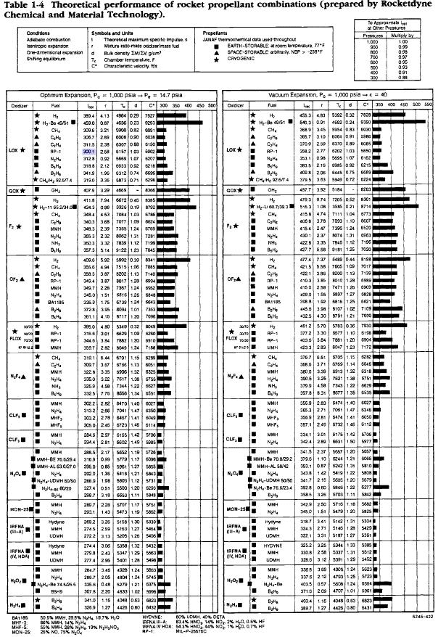
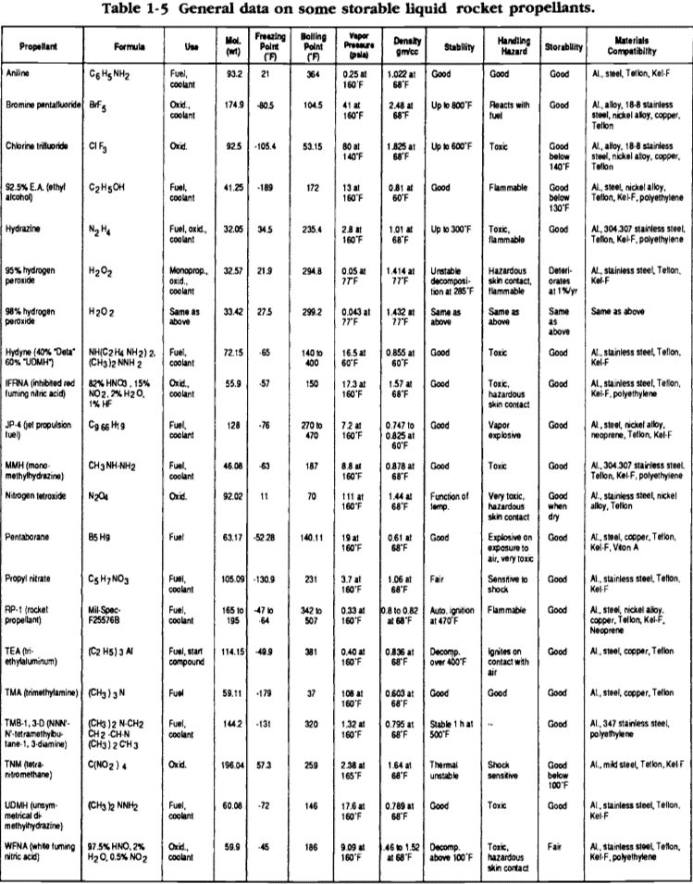
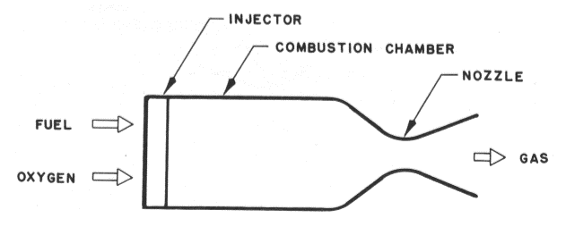
...
 |  |  |  |  |  |  |  |  |  |  | English (Pratical) | Englsih (Alternative)
 |  |  |  |  |  |  |  |  |  |  | 2.292 ft3 | 17.145 gal
 |  |  |  |  |  |  |  |  |  |  | 3.0%
 |  |  |  |  |  |  |  |  |  |  | 0.069 ft3 | 0.514 gal
 |  |  |  |  |  |  |  |  |  |  | 0.0%
 |  |  |  |  |  |  |  |  |  |  | 0.000 ft3 | 0.000 gal
 |  |  |  |  |  |  |  |  |  |  | 5.0%
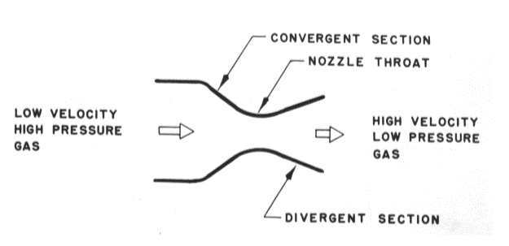
 |  |  |  |  |  |  |  |  |  |  | 0.115 ft3 | 0.857 gal
 |  |  |  |  |  |  |  |  |  |  | 2.475 ft3 | 18.516 gal
...
 |  |  |  |  |  |  |  |  |  |  | Aluminum 6061-T6
 |  |  |  |  |  |  |  |  |  |  | 0.0975 lbm/in3 | 168 lbm/ft3
 |  |  |  |  |  |  |  |  |  |  | 10000000 psi
 |  |  |  |  |  |  |  |  |  |  | 0.33
 |  |  |  |  |  |  |  |  |  |  | 70%
 |  |  |  |  |  |  |  |  |  |  | 45000 psi
 |  |  |  |  |  |  |  |  |  |  | 40000 psi
 |  |  |  |  |  |  |  |  |  |  | 1.5
 |  |  |  |  |  |  |  |  |  |  | 1.25
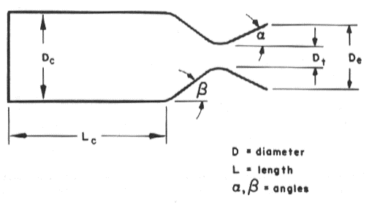
 |  |  |  |  |  |  |  |  |  |  | 30000 psi
 |  |  |  |  |  |  |  |  |  |  | 32000 psi
 |  |  |  |  |  |  |  |  |  |  | 30000 psi
 |  |  |  |  |  |  |  |  |  |  | 850 psi
...
 |  |  |  |  |  |  |  |  |  |  | 3.875 in | 0.323 ft
 |  |  |  |  |  |  |  |  |  |  | 2.0 in | 0.167 ft
 |  |  |  |  |  |  |  |  |  |  | 63 in3 | 0.036 ft3
 |  |  |  |  |  |  |  |  |  |  | 122 in3 | 0.071 ft3
 |  |  |  |  |  |  |  |  |  |  | 1.9375
 |  |  |  |  |  |  |  |  |  |  | 2.5 in | 0.208 ft
 |  |  |  |  |  |  |  |  |  |  | 1.2
 |  |  |  |  |  |  |  |  |  |  | 0.1882 in
 |  |  |  |  |  |  |  |  |  |  | 0.0506 in
 |  |  |  |  |  |  |  |  |  |  | 0.1194 in
 |  |  |  |  |  |  |  |  |  |  | 0.0659 in
 |  |  |  |  |  |  |  |  |  |  | 0.857
 |  |  |  |  |  |  |  |  |  |  | 33.8 in2 | 0.235 ft2
 |  |  |  |  |  |  |  |  |  |  | 94.3 in2 | 0.655 ft2
 |  |  |  |  |  |  |  |  |  |  | 5.418
 |  |  |  |  |  |  |  |  |  |  | 0.768 lbm
 |  |  |  |  |  |  |  |  |  |  | 0.606 lbm
 |  |  |  |  |  |  | Buckling Coefficient, Cb | 0.075 |  | Buckling Coefficient, Cb | 0.075
 |  |  |  |  |  |  | Ellipsoidal Critical Pressure, Pcre | 3422 psi |  | Ellipsoidal Critical Pressure, Pcre | 3422 psi
 |  |  |  |  |  |  | Spherical Critical Pressure, Pcrs | 989 psi |  | Spherical Critical Pressure, Pcrs | 989 psi
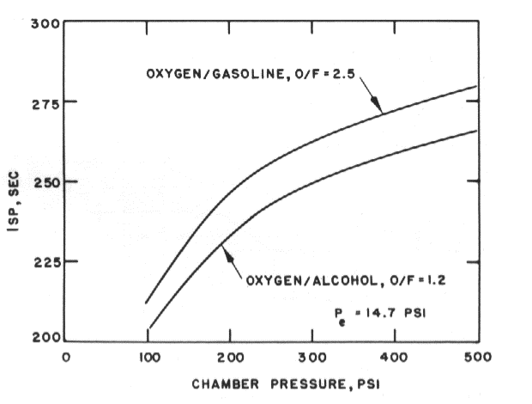
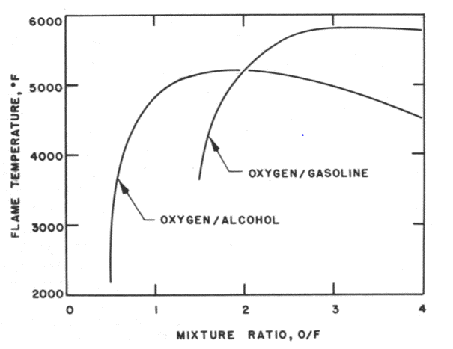
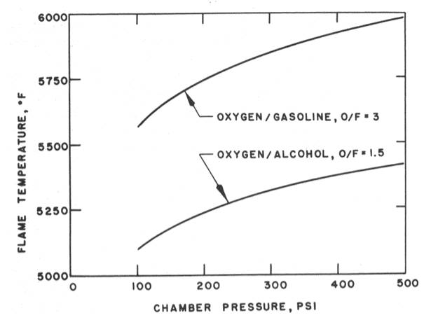
...
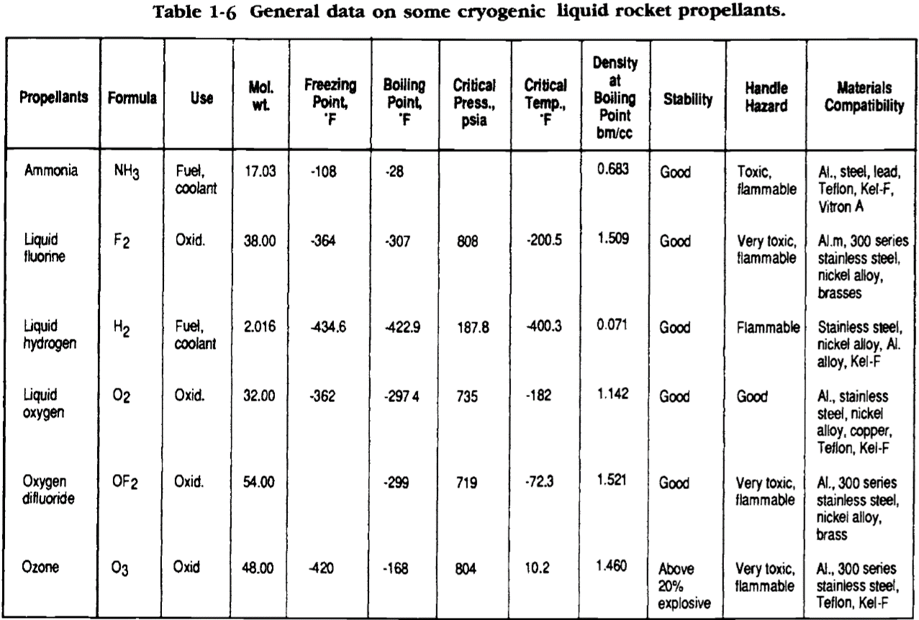
Alternative Calce for Isp |  |  |  |  |  | Constants | Oxidizer Propellant Tank Design |  |  | Fuel Propellant Tank Design
Expansion Ratio Calc |  |  |  |  |  |  | Cylindrical Section |  |  | Cylindrical Section
5.7538727709 |  |  |  |  |  |  | Volume w/ Ellipsoidal Ends, Vc | 3.806 ft3 | 6577 in3 | Volume w/ Ellipsoidal Ends, Vc | 2.402 ft3 | 4152 in3
 |  |  |  |  |  |  | Volume w/ Spherical Ends, Vc | 3.738 ft3 | 6459 in3 | Volume w/ Spherical Ends, Vc | 2.334 ft3 | 4034 in3
 |  |  |  |  |  |  | Length w/ Ellipsoidal Ends, lc | 11.618 ft | 139.41 in | Length w/ Ellipsoidal Ends, lc | 7.334 ft | 88.01 in
 |  |  |  |  |  |  | Length w/ Spherical Ends, lc | 11.409 ft | 136.91 in | Length w/ Spherical Ends, lc | 7.126 ft | 85.51 in
 |  |  |  |  |  |  | Wall Thickness, tc | 0.157 in |  | Wall Thickness, tc | 0.157 in
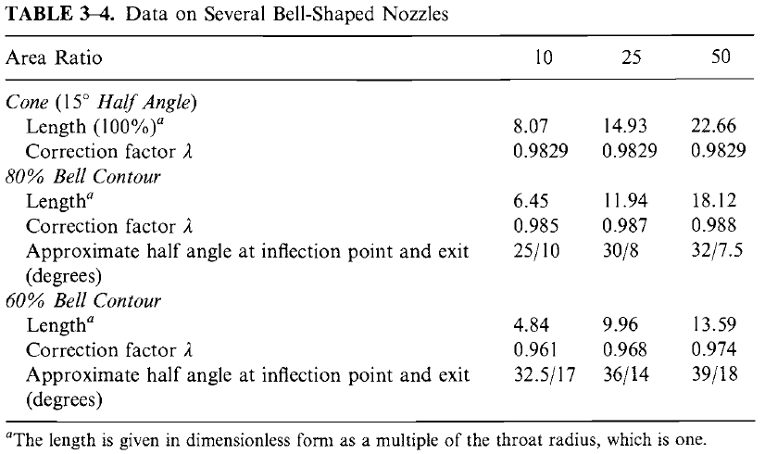
 |  |  |  |  |  |  | Wall Surface Area w/ Ellipsoidal Ends, Ac | 3394.3 in2 | 23.572 ft2 | Wall Surface Area w/ Ellipsoidal Ends, Ac | 2142.7 in2 | 14.880 ft2
 |  |  |  |  |  |  | Wall Surface Area w/ Spherical Ends, Ac | 3333.5 in2 | 23.149 ft2 | Wall Surface Area w/ Spherical Ends, Ac | 2081.8 in2 | 14.457 ft2
 |  |  |  |  |  |  | Ellipsoidal Ends Weight, Wc | 51.9 lbm |  | Ellipsoidal Ends Weight, Wc | 32.8 lbm
 |  |  |  |  |  |  | Spherical Ends Weight, Wc | 51.0 lbm |  | Spherical Ends Weight, Wc | 31.8 lbm
 |  |  |  |  |  |  | Critical Pressure, pcrc | 186.0 psi |  | Critical Pressure, pcrc | 186.0 psi
...
Alternative Calce for Isp |  |  |  |  |  | Constants | Oxidizer Propellant Tank Design |  |  | Fuel Propellant Tank Design
 |  |  |  |  |  |  | Total Tank Weight w/ Ellipsoidal Ends | 53.4 lbm |  | Total Tank Weight w/ Ellipsoidal Ends | 34.3 lbm |  | 87.7 lbm
 |  |  |  |  |  |  | Total Tank Weight w/ Spherical Ends | 52.2 lbm |  | Total Tank Weight w/ Spherical Ends | 33.0 lbm
 |  |  |  |  |  |  | Total Tank Length w/ Ellipsoidal Ends | 11.95 ft | 143.412 in | Total Tank Length w/ Ellipsoidal Ends | 7.67 ft | 92.006 in
 |  |  |  |  |  |  | Total Tank Length w/ Spherical Ends | 12.06 ft | 144.662 in | Total Tank Length w/ Spherical Ends | 7.77 ft | 93.256 in
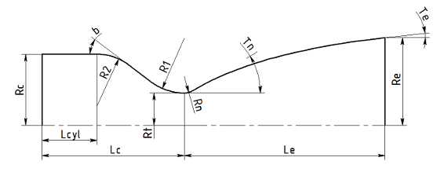
 |  |  |  |  |  |  | Tank Length w/ 1 Side Ellipsoidal End | 11.78 ft | 141.41 in | Total Length w/ 1 Side Ellipsoidal End | 7.50 ft | 90.006 in
 |  |  |  |  |  |  | Tank Length w/ 1 Side Spherical End | 11.73 ft | 140.787 in | Tank Length w/ 1 Side Spherical End | 7.45 ft | 89.381 in
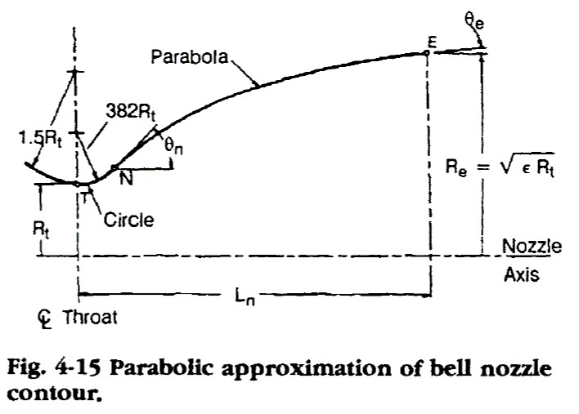
Throat Conditions |  |  |  |  |  |  | Oxidizer Loading Weight | 247.4 lbm | 112.23 kg | Fuel Loading Weight | 114.2 lbm | 51.81 kg
P | 230.361 psi | 1588283 Pa |  |  |  |  | Common Bulkhead Thickness | 0.083 ft | 1.0 in
v | 3853 ft/s | 1174.34 m/s |  |  |  |  | Common Bulkhead Tank Length | 19.368 ft | 232.4 in
T | 5718 R | 3176.67 K |  |  |  |  | Total Design Weight | 87.75 lbm | 39.8 kg
 |  |  |  |  |  |  | Total Allocated Weight | 96.521 lbm

 |  |  |  |  |  |  | Pressurant Storage Requirement |  |  | Feed System Pressure Profile
Alternative Calcualtion for Vc |  |  |  |  |  |  | Pressurant | Helium |  | Oxidizer Feed Line
Vc | 348.35 in3 | 0.005708 m3 |  |  |  |  | Initial Pressurant Temp, T1 | 536.67 R | 77 F | Feed Line Diameter | 0.930 in | 0.077500 ft
 |  |  |  |  |  |  | Initial Pressurant Pressure, P1 | 3350 psi | 482347 psf | Feed Line Cross Sectional Area | 0.679 in2 | 0.004717 ft2
At Alternative Calcs |  |  |  |  |  |  | Final Pressurant Pressure, P2 | 665 psi | 95819 psf | Drain Velocity | 2.540 in/s | 30.5 ft/s
At | 6.43 in2 | 0.00415 m2 |  |  |  |  | Polytropic Expansion Exponent, n | 1.67 |  | Dynamic ΔP | 7 psi | 964 psf
At | 3.78 in2 | 0.00244 m2 |  |  |  |  | Final Pressurant Temp, T2 | 280.61 R | -179.1 F | Feed ΔP | 41.9 psi | 6040 psf
 |  |  |  |  |  |  | Max Propellant Tank Pressure, PT | 645 psi | 92939 psf | Injector ΔP | 55 psi | 7939 psf
Alternative Calcualtions for εc |  |  |  |  |  |  | Molecular Weight of Pressurant | 4.003 |  | Orifice ΔP | 40 psi | 5760 psf
εc | 3.840 |  |  |  |  |  | Max Volume of Propellants Expelled, VT | 5.8180 ft3 | 10053.47 in3 | Tank Pressure | 544 psi | 78304 psf
εc | 5.658 |  |  |  |  |  | Pressurant Gas Constant, Rg | 386 lbf-ft/lbmol-R
εc | 1.074 |  |  |  |  |  | Mean Pressurant Temp, Tg | 536.67 R | 77 F | Fuel Feed Line
εc | 5.754 |  |  |  |  |  | Compressibility Factor, Z | 0.95 |  | Feed Line Diameter | 0.680 in | 0.056667 ft
 |  |  |  |  |  |  | Design Margin | 0.05 |  | Feed Line Cross Sectional Area | 0.363 in2 | 0.002522 ft2
 |  |  |  |  |  |  | Pressurant Weight In Prop Tanks, Wg | 4.9790 lbm |  | Drain Velocity | 3.088 in/s | 37.1 ft/s
 |  |  |  |  |  |  | Pressurant Weight w/out isentropic expansion | 2.6034 lbm |  | Dynamic ΔP | 7 psi | 1032 psf
 |  |  |  |  |  |  |  |  |  | Feed ΔP | 19.8 psi | 2850 psf
 |  |  |  |  |  |  |  |  |  | Regen ΔP Percentage of Pc | 0%
 |  |  |  |  |  |  |  |  |  | Regen ΔP | 0 psi | 0 psf
...
Chamber Wall Hoop Stress Calculation
Material |  | Inconel 718
Diameter |  | 5.097 in | 129 mm
...
 |  |  |  |  |  |  | Pressurant Storage Requirement |  |  | Feed System Pressure Profile
 |  | 400 psi | 2757903 Pa
 |  | 0.0109 in | 0.2774 mm |  |  |  | Pressurant Volume/Mass Iteration
 |  |  |  |  |  |  | Pressurant Tank Volume1 | 2.1386 ft3 | 3695 m3 | Pressurant Mass1
 |  |  |  |  |  |  | Pressurant Tank Volume2 | 2.9247 ft3 | 5054 m3 | Pressurant Mass2
 |  |  |  |  |  |  | Pressurant Tank Volume3 | 3.2137 ft3 | 5553 m3 | Pressurant Mass3
 | Design |  | Projected |  |  |  | Pressurant Tank Volume4 | 3.3199 ft3 | 5737 m3 | Pressurant Mass4
 | 1.0147 |  | 1.017 |  |  |  | Pressurant Tank Volume5 | 3.3589 ft3 | 5804 m3 | Pressurant Mass5
 | 487.618 lbm-ft/s2 |  | 487.618 lbm-ft/s2 |  |  |  | Pressurant Tank Volume6 | 3.3733 ft3 | 5829 m3 | Pressurant Mass6
 | 480.574 lbm-ft/s2 |  | 479.433 lbm-ft/s2 |  | 50 |  | Pressurant Tank Volume7 | 3.3785 ft3 | 5838 m3 | Pressurant Mass7
 | 111.880 ft/s | 34.101 m/s | 111.75 ft/s | 34.06 m/s |  |  | Pressurant Tank Volume8 | 3.3805 ft3 | 5841 m3 | Pressurant Mass8
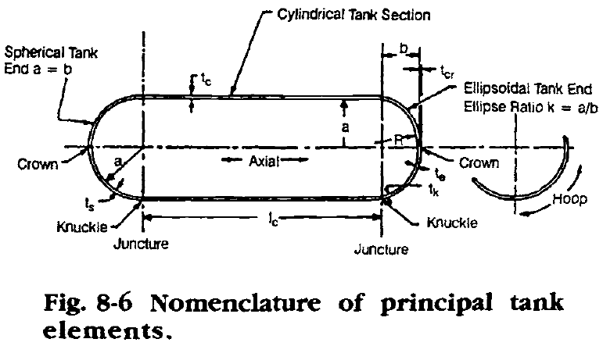
 | 50.746 ft/s | 15.467 m/s | 50.75 ft/s | 15.47 m/s |  |  | Pressurant Tank Volume9 | 3.3812 ft3 | 5843 m3 | Pressurant Mass9
 | 0.454
 | 2.04 in
 | 4.492 in |  |  |  | 0.4144570029 |  | Pressurant Tank Design |  |  | Regulator Requirement Calculation
 | 1.430 in |  |  |  |  |  | Inner Radius, r | 5.000 in | 0.1667 ft
 | 1.61 in2 |  |  |  |  |  | Tank Material | 316 Stainless Steel
 | 3.5645 |  |  |  |  |  | Material Density | 0.29 lbm/in3 | 501.12 lbm/ft3 | Required Regulator Pressure Drop, PR
 | 5.10 in |  |  |  |  |  | Modulus of Elasticity, E | 28000000 psi | 193000000 psi | Propellant Tank Pressure, P2
 | 0.884 in |  |  |  |  |  | Poisson's Ratio, v | 0.265 |  | Final Pressurant Tank Pressure, P/1
 | 0.667 |  |  |  |  |  | Weld Efficiency, ew | 80% |  | Pressurant Tank Volume, V1
 | 0.025 in |  |  |  |  |  | Ultimate Strength, Fu | 84000 psi | 579 MPa | Propellant Tanks Total Volume, V2
 | 0.225 in |  |  |  |  |  | Yield Strength, Fy | 42000 psi | 290 MPa | Initial Pressurant Tank Pressure, P1
 | 45.409 |  |  |  |  |  | Ultimate Safety Factor | 1.5 |  | Tank Pressure Ratio
 | 0.4541 in |  |  |  |  |  | Yield Safety Factor | 1.25 |  | Propellant Volume Consumption
 |  | Efective moment Ratio |  |  |  |  | Ultimate Max Allowable Stress | 56000 psi | 386 MPa | Minimum Required Reg Flow Rate
 | 0.408 in2 |  |  |  |  |  | Yield Max Allowable Stress | 33600 psi | 232 MPa
 | 100.00% |  |  |  |  |  | Max Allowable Operating Stress, Sw | 33600 psi | 232 MPa | Blowdown System
 | 0.00% |  |  |  |  |  | Max Storage Pressure, p | 3350 psi | 23 MPa | Oxidizer
 | 9.61 lbm/s |  |  |  |  |  |  |  |  | Initial Ullage Volume, Vgi
 | 0.00 lbm/s |  |  |  |  |  | End Caps |  |  | Initial Gas Pressure, Pgi
 | 50.75 ft/s |  |  |  |  |  | Nominal Tank Inner Radius, a | 5.0 in | 0.417 ft | Final Ullage Volume, Vgf
 | 0.00 ft/s |  |  |  |  |  | Elliptical Minor Half-Diameter, b | 2.000 in | 0.167 ft | Blowdown Ratio, B
 |  |  |  |  |  |  | Ellipsoida Volume, Ve | 105 in3 | 0.061 ft3 | Volume of Usable Propellant, Vu
 |  |  |  |  |  |  | Spherical Volume, Vs | 262 in3 | 0.152 ft3 | Weight of Usable Propellant, Wu
 | Pressure Drop | 55 |  |  |  |  | Ellipse Ratio, k | 2.5 |  | Final Gas Pressure, Pgf
 | Velocity | 52.394070298 |  |  |  |  | Ellipsoidal Crown Radius, R | 2.250 in | 0.188 ft
 |  |  |  |  |  |  | Stress Factor, K | 1.2
 | Pressure Drop | 175.50030684 |  |  |  |  | Knuckle Thickness, tk | 0.7477 in |  | Fuel
 | Velocity | 109.99996129 |  |  |  |  | Crown Thickness, tcr | 0.1402 in |  | Initial Ullage Volume, Vgi
 |  |  |  |  |  |  | Ellipsioidal Equivalent Wall Thickness, te | 0.4439 in |  | Initial Gas Pressure, Pgi
 |  |  |  |  |  |  | Spherical Equivalent Wall Thickness, ts | 0.2991 in |  | Final Ullage Volume, Vgf
 |  |  |  |  |  |  | Eccentricity, e | 0.917 |  | Blowdown Ratio, B
 |  |  |  |  |  |  | Ellipsoidal Surface Area, Ae | 46.5 in2 | 0.323 ft2 | Volume of Usable Propellant, Vu
...

Wall Angles Curve Fit
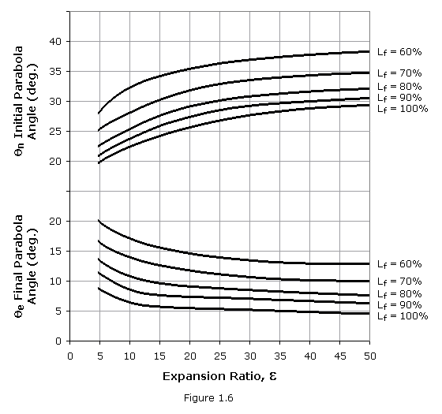
...
 | θe
 | 13.5
 | 11 | ε | θn | θe
12.8 | 10 | 4.42 | 22.045423027 | 12.994196457
15 | 9.5
20 | 9
25 | 8.8
30 | 8.5
35 | 8.3
40 | 8
45 | 7.8
50 | 7.5

Initial Parabolic Angle
5 | 22.5
9 | 25
10 | 25.3
15 | 27.5
20 | 29
25 | 30
30 | 30.8
35 | 31
40 | 31.3
45 | 32
50 | 32.3
Final Parabolic Angle
5 | 13.5
10 | 11
12.8 | 10
15 | 9.5
20 | 9
25 | 8.8
30 | 8.5
35 | 8.3
40 | 8
45 | 7.8
50 | 7.5

Injector Pressure Drop_Rec Duct
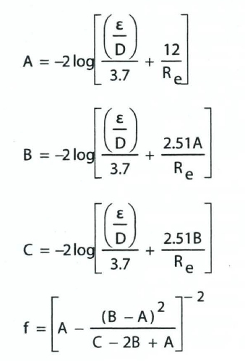
gravity | 32.17 ft/s2
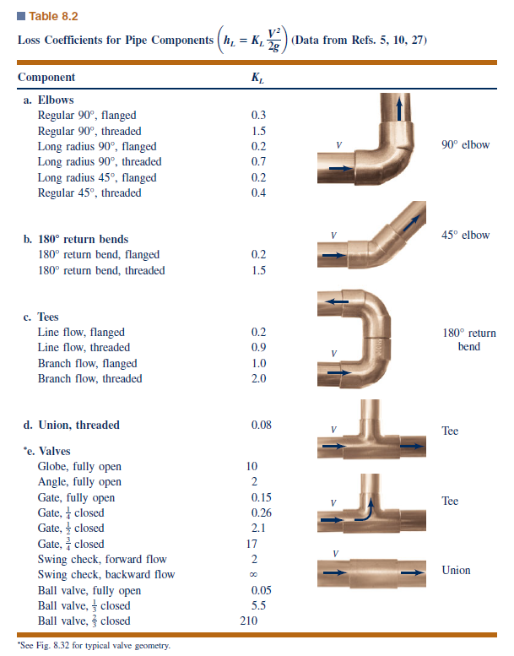
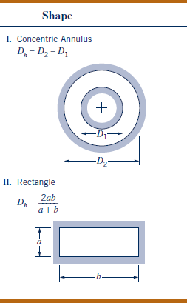
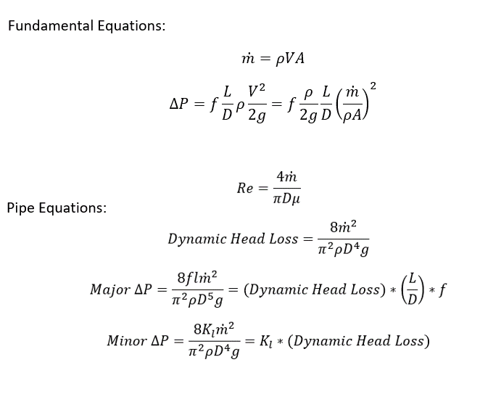
LOX
Aluminum ε | 0.000005 ft
Nickel ε | 0.00015 ft
Flow Rate | 9.609 lbm/s
Density | 66.83 lbm/ft3
Viscosity | 0.000131580 lbm/ft-s
Diameter 1 | 0.6875 in | 0.0573 ft
Area 1 | 0.3712 in2 | 0.0026 ft2
Diameter 2 | 0.50 in | 0.04167 ft
Area 2 | 0.1963 in2 | 0.0014 ft2
Friction Factor | 0.25
Pressure Drop | 807.67 psf | 5.609 psi
LOX Ox Distribution
Diameter | 0.25 in | 0.02083 ft
Area | 0.05 in2 | 0.00034 ft2 | 0.014 | 8.24E+00
Straight Length | 0.03 ft |  | 0.015045121882 | 8.16E+00
Reynolds | 1.12E+06 |  | 0.015019358431 | 8.16E+00
ε/D | 0.00024 |  | 0.015019962632 | 0.015019948586
Friction Factor | 0.015199 |  | 0.015019948446
N | 4 |  | 0.015019948779
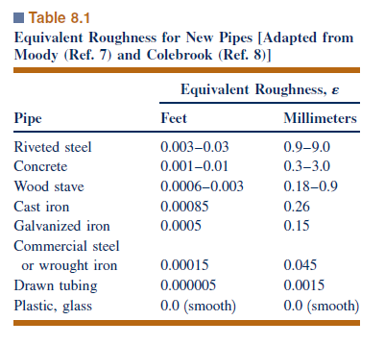
Ind. Flow Rate | 2.402 lbm/s
Delta P | 252.75 psf | 1.755 psi
Flow Velocity | 105.447 ft/s | 32.140 m/s
LOX Internal Pintle Annulus
 | 0.588 in | 0.049 ft
 | 0.2715 in2 | 0.001886 ft2 | 0.018 | 7.57E+00
ID of Outer | 0.6875 in | 0.0573 ft | 0.017464811889 | 7.57E+00
Area ID | 0.3712 in2 | 0.002578 ft2 | 0.017465429659 | 7.57E+00
Hydraulic Diameter | 0.0083 ft |  | 0.017465428929 | 0.01746542893
Length | 0.1300 ft |  | 0.01746542893
ε/D | 0.0006 |  | 0.01746542893
Reynolds | 1.1214E+07
Annulus Loss K | 0.017
Annulus Area | 0.0007 ft2
Annulus Pressure Loss | 12273.673 psf | 85.23 psi
Static Pressure Loss | 8.688 psf | 0.06 psi
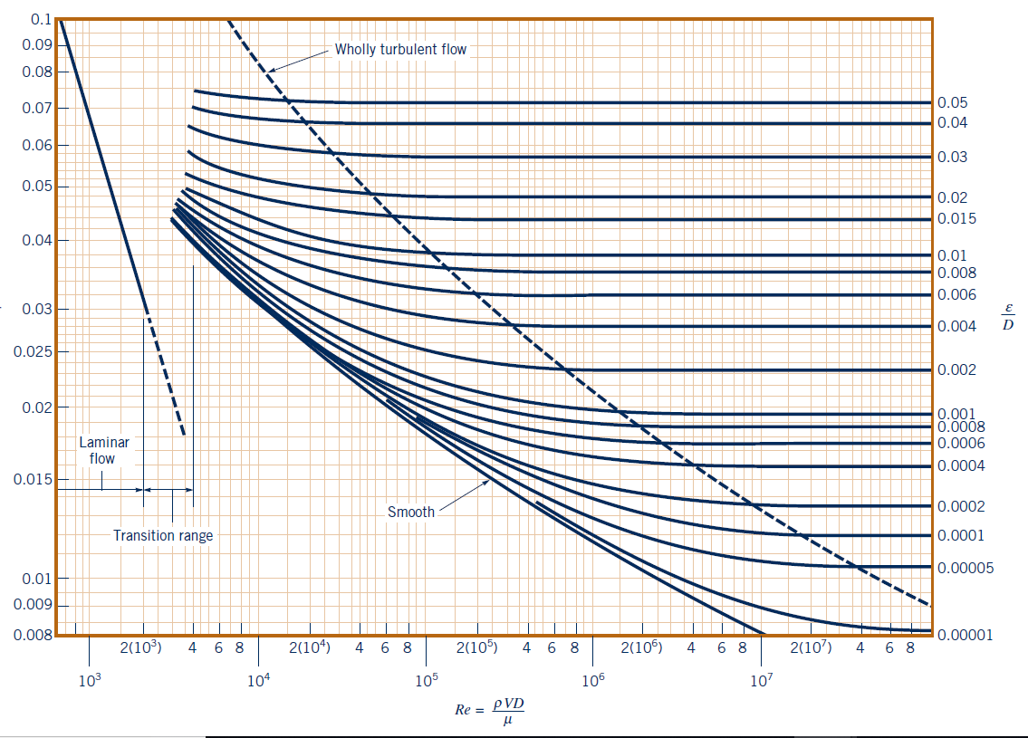
Flow Velocity | 207.72 ft/s | 63.31 m/s
LOX Primary Orifices
n | 20
Total Flow Rate | 1.220 lbm/s |  | 0.06 | 4.16E+00
Ind Flow Rate | 0.061 lbm/s |  | 0.057777830155 | 4.16E+00
W1 | 0.046875 in | 0.0039 ft | 0.057782556476 | 4.16E+00
L1 | 0.08 in | 0.0066666666667 ft | 0.057782546135 | 0.057782546158
Area | 0.00375 in | 2.6041666667E-05 ft | 0.057782546158
Hydraulic Diameter | 0.0591 in | 0.00493 ft | 0.057782546158
Length | 0.0300 ft
Reynolds | 1.20E+05
ε/D | 0.03045
Friction Factor | 0.057783
Pressure Drop | 448.97 psf | 3.12 psi
Flow Velocity | 35.05 ft/s | 10.68 m/s
LOX Secondary Orifices
n | 20
Total Flow Rate | 0.5228 lbm/s |  | 0.06 | 3.63E+00
Ind Flow Rate | 0.0261 lbm/s |  | 0.057777830155 | 3.63E+00
W2 | 0.0200 in | 0.0017 ft | 0.057782556476 | 3.63E+00
L2 | 0.0800 in | 0.0067 ft | 0.057782546135 | 0.075861662362
Area | 0.00160 in2 | 1.1111111111E-05 ft2 | 0.057782546158
Hydraulic Diameter | 0.03200 in | 0.00267 ft | 0.057782546158
Length | 0.03 ft
Reynolds | 9.49E+04
ε/D | 0.05625
Friction Factor | 0.075862
Pressure Drop | 1098.62 psf | 7.63 psi
Flow Velocity | 35.206 ft/s | 10.73 m/s

Fuel
Aluminum ε | 0.000005 ft
Flow Rate | 4.522 lbm/s
Density | 48.3800 lbm/ft3
Viscosity | 0.004166 lbm/ft-s
Fuel Distribution Ring
Diameter | 0.0938 in | 0.00782 ft
Length | 0.2655 in | 0.022125 ft
Area | 0.0069102786168 in2 | 4.798804595E-05 ft2 | 0.04 | 5.59E+00
n | 20 |  | 0.032396505506 | 5.47E+00
Ind Flow Rate | 0.2148 lbm/s |  | 0.033380556973 | 5.49E+00
Reynolds | 8396.65 |  | 0.033237552919 | 0.033255235962
ε/D | 0.00064 |  | 0.033258001652
Friction Factor | 0.03687 |  | 0.033255070804
Pressure Loss | 671.47 psf | 4.663 psi | 0.033255490733
Flow Velocity | 92.51 ft/s | 28.20 m/s
Fuel Annulus
OD of Inner | 1.43 in | 0.11916666667 ft |  | 6.88E+00
Area OD | 1.61 in2 | 0.0112 ft2 |  | 6.84E+00
ID of Outer | 1.48 in | 0.1233 ft |  | 6.84E+00
Area ID | 1.720 in2 | 0.01195 ft2 |  | 0.021354872879
...

Feed Pressure Drop
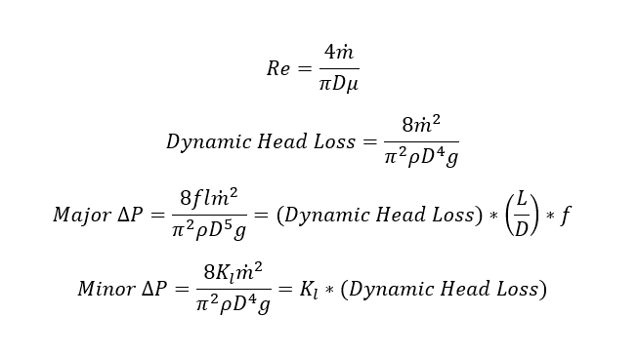
gravity | 32.17 ft/s2

LOX Feed System
ε | 0.000005
Feedline OD | 0.93 in | 0.0775 ft
ε/D | 5.376344086E-06 | 6.4516129032E-05
dynamic viscosity | 7.32E-07 psi s | 1.05E-04 psf s
density | 66.83 lbm/ft3
mass flow rate | 9.61 lbm/s
Reynolds Number | 1.497E+06
friction coefficient | 0.01132
Dynamic Head Loss | 964.96 psf | 6.70 psi
Transfer Tube Diameter | 0.68 in | 0.06 ft
Dynamic TT Loss | 3376.02 psf | 23.44 psi
Feed System Losses
Transfer Tube Length | 7.77 ft
T.T. L/D | 100.275
TT Loss | 3832.19 psf | 26.61 psi
Feedline Aft Tank Length | 3 ft
F.A.T. L/D | 38.71
F.A.T Loss | 422.839 psf | 2.936 psi
Number of Tee Fittings | 2
Tee K | 0.9
Tee Loss | 868.4642 psf | 6.03 psi
...

